Historical Financials
TSMC |  |  |  |  |  |  |  |  |  |  |  |  |  |  |  |  |  |  |  |  |  |  |  |  |  |  |  |  |  |  |  | 5/19/25
Historical Financials
(TWD in billions, unless otherwise noted)

 | Quarterly |  |  |  |  |  |  |  |  |  |  |  |  |  |  |  | Annual |  |  |  |  |  |  |  |  |  |  |  |  |  |  |  | Checks
FY ending December 31 | 1Q22 | 2Q22 | 3Q22 | 4Q22 | 1Q23 | 2Q23 | 3Q23 | 4Q23 | 1Q24 | 2Q24 | 3Q24 | 4Q24e | 1Q25e | 2Q25e | 3Q25e | 4Q25e | FY10 | FY11 | FY12 | FY13 | FY14 | FY15 | FY16 | FY17 | FY18 | FY19 | FY20 | FY21 | FY22 | FY23 | FY24e | FY25e | FY20 | FY21 | FY22 | FY23 | FY24e
Financial Summary

Smartphone | 196 | 202 | 251 | 240 | 174 | 159 | 212 | 269 | 225 | 223 | 258 | 293 |  |  |  |  |  |  |  |  |  |  |  | 504 | 466 | 524 | 645 | 695 | 889 | 815 | 998
High Performance Computing | 202 | 229 | 238 | 263 | 226 | 214 | 228 | 267 | 275 | 351 | 387 | 446 |  |  |  |  |  |  |  |  |  |  |  | 265 | 342 | 316 | 440 | 588 | 932 | 935 | 1,459
Internet of Things | 39 | 45 | 59 | 53 | 43 | 38 | 47 | 34 | 35 | 37 | 53 | 58 |  |  |  |  |  |  |  |  |  |  |  | 52 | 65 | 86 | 110 | 133 | 196 | 162 | 184
Automotive | 24 | 27 | 31 | 34 | 36 | 37 | 28 | 32 | 32 | 34 | 38 | 40 |  |  |  |  |  |  |  |  |  |  |  | 44 | 52 | 48 | 44 | 67 | 116 | 134 | 144
Digital Consumer Electronics | 14 | 15 | 15 | 12 | 11 | 14 | 14 | 9 | 12 | 14 | 8 | 8 |  |  |  |  |  |  |  |  |  |  |  | 63 | 58 | 54 | 55 | 56 | 56 | 47 | 41
Others | 16 | 17 | 18 | 23 | 19 | 18 | 18 | 15 | 14 | 14 | 15 | 17 |  |  |  |  |  |  |  |  |  |  |  | 49 | 48 | 43 | 45 | 49 | 74 | 69 | 60
Net Revenue | 491 | 534 | 613 | 626 | 509 | 481 | 547 | 626 | 593 | 674 | 760 | 861 | 800 | 808 | 912 | 1,033 | 420 | 427 | 507 | 597 | 763 | 843 | 948 | 977 | 1,031 | 1,070 | 1,339 | 1,587 | 2,264 | 2,162 | 2,887 | 3,553 | - | - | - | - | -
Y/Y % Change | 36% | 44% | 48% | 43% | 4% | (10%) | (11%) | (0%) | 17% | 40% | 39% | 38% | 35% | 20% | 20% | 20% | 42% | 2% | 19% | 18% | 28% | 11% | 12% | 3% | 6% | 4% | 25% | 19% | 43% | (5%) | 34% | 23%
Q/Q % Change | 12% | 9% | 15% | 2% | (19%) | (5%) | 14% | 14% | (5%) | 14% | 13% | 13% | (7%) | 1% | 13% | 13%
Y/Y % Change (USD) | 36% | 37% | 36% | 27% | (5%) | (14%) | (15%) | (2%) | 13% | 33% | 36% | 35% | 30% | 19% | 19% | 19% | 49% | 9% | 18% | 17% | 25% | 6% | 11% | 9% | 7% | 1% | 31% | 25% | 34% | (9%) | 30% | 21%
Q/Q % Change (USD) | 11% | 3% | 11% | (1%) | (16%) | (6%) | 10% | 14% | (4%) | 10% | 13% | 13% | (8%) | 1% | 13% | 13%

2-Year CAGR | 26% | 31% | 31% | 32% | 18% | 14% | 15% | 19% | 10% | 12% | 11% | 17% | 25% | 30% | 29% | 29% | 12% | 20% | 10% | 18% | 23% | 19% | 11% | 8% | 4% | 5% | 14% | 22% | 30% | 17% | 13% | 28%
3-Year CAGR |  |  |  |  | 18% | 16% | 15% | 20% | 18% | 22% | 22% | 25% | 18% | 15% | 14% | 18% | 9% | 9% | 20% | 12% | 21% | 19% | 17% | 9% | 7% | 4% | 11% | 15% | 28% | 17% | 22% | 16%
5-Year CAGR |  |  |  |  |  |  |  |  |  |  |  |  |  |  |  |  | 9% | 6% | 9% | 12% | 21% | 15% | 17% | 14% | 12% | 7% | 10% | 11% | 18% | 16% | 22% | 22%
10-Year CAGR |  |  |  |  |  |  |  |  |  |  |  |  |  |  |  |  | 10% | 13% | 12% | 11% | 11% | 12% | 12% | 12% | 12% | 14% | 12% | 14% | 16% | 14% | 14% | 15%
20-Year CAGR |  |  |  |  |  |  |  |  |  |  |  |  |  |  |  |  |  |  |  |  |  |  |  | 17% | 16% | 14% | 11% | 14% | 14% | 13% | 13% | 14%

Cost of Revenue | 218 | 219 | 243 | 236 | 222 | 221 | 250 | 294 | 278 | 315 | 320 | 362 | 353 | 356 | 402 | 455 | 212 | 233 | 263 | 316 | 385 | 433 | 473 | 483 | 534 | 577 | 628 | 768 | 916 | 987 | 1,276 | 1,566
Gross Profit | 273 | 315 | 370 | 389 | 286 | 260 | 297 | 332 | 315 | 358 | 439 | 499 | 447 | 452 | 510 | 578 | 207 | 194 | 244 | 281 | 378 | 410 | 475 | 495 | 498 | 493 | 711 | 820 | 1,348 | 1,175 | 1,611 | 1,987 | - | - | - | - | -
Y/Y % Change | 44% | 69% | 74% | 69% | 5% | (18%) | (20%) | (15%) | 10% | 38% | 48% | 51% | 42% | 26% | 16% | 16% | 60% | (6%) | 26% | 15% | 34% | 9% | 16% | 4% | 1% | (1%) | 44% | 15% | 65% | (13%) | 37% | 23%
Margin | 55.6% | 59.1% | 60.4% | 62.2% | 56.3% | 54.1% | 54.3% | 53.0% | 53.1% | 53.2% | 57.8% | 58.0% | 55.9% | 55.9% | 55.9% | 55.9% | 49.4% | 45.4% | 48.2% | 47.1% | 49.5% | 48.7% | 50.1% | 50.6% | 48.3% | 46.0% | 53.1% | 51.6% | 59.6% | 54.4% | 55.8% | 55.9%

R&D | 36 | 40 | 43 | 45 | 39 | 42 | 51 | 50 | 46 | 48 | 53 | 62 | 58 | 59 | 66 | 75 | 30 | 34 | 40 | 48 | 57 | 66 | 71 | 81 | 86 | 91 | 109 | 125 | 163 | 182 | 209 | 258
SG&A | 13 | 14 | 17 | 20 | 16 | 17 | 18 | 21 | 19 | 22 | 26 | 28 | 26 | 26 | 30 | 34 | 18 | 19 | 22 | 23 | 24 | 23 | 26 | 27 | 26 | 28 | 36 | 44 | 63 | 71 | 96 | 115
Other | 1 | (0) | (0) | (0) | (0) | 0 | (0) | (0) | 0 | 1 | (0) | - | - | - | - | - | - | - | 0 | (0) | 1 | 2 | (0) | 1 | 2 | 0 | (1) | 0 | 0 | (0) | 1 | -
Total Opex | 49 | 53 | 60 | 64 | 55 | 58 | 69 | 72 | 65 | 72 | 79 | 90 | 84 | 85 | 96 | 109 | 48 | 53 | 63 | 72 | 82 | 90 | 97 | 109 | 114 | 120 | 144 | 170 | 227 | 254 | 306 | 373

Y/Y % Change
R&D | 17% | 28% | 39% | 38% | 9% | 5% | 19% | 13% | 18% | 15% | 3% | 24% | 26% | 22% | 25% | 20% | 38% | 14% | 19% | 19% | 18% | 15% | 9% | 13% | 6% | 6% | 20% | 14% | 31% | 12% | 15% | 23%
SG&A | 50% | 41% | 60% | 28% | 29% | 20% | 2% | 6% | 19% | 35% | 50% | 32% | 35% | 18% | 13% | 20% | 15% | 3% | 18% | 6% | 2% | (5%) | 12% | 6% | (3%) | 7% | 27% | 25% | 43% | 13% | 34% | 21%
Other | 324% | (42%) | (112%) | (473%) | (106%) | (252%) | 1,091% | (85%) | (377%) | 2,609% | 281% | (100%) | (100%) | (100%) | (100%) | n/a | n/a | n/a | n/a | (110%) | (2,232%) | 88% | (102%) | (4,650%) | 54% | (76%) | (243%) | (147%) | 11% | (151%) | (578%) | (100%)
Total Opex | 26% | 32% | 44% | 34% | 12% | 9% | 14% | 12% | 19% | 23% | 15% | 26% | 28% | 19% | 22% | 20% | 28% | 10% | 20% | 14% | 14% | 10% | 7% | 13% | 5% | 5% | 20% | 17% | 34% | 12% | 21% | 22%

Financial Profile
 | Revenue | EBIT
FY10 | 420 | 159
FY11 | 427 | 142
FY12 | 507 | 181
FY13 | 597 | 209
FY14 | 763 | 296
FY15 | 843 | 320
FY16 | 948 | 378
FY17 | 977 | 386
FY18 | 1,031 | 384
FY19 | 1,070 | 373
FY20 | 1,339 | 567
FY21 | 1,587 | 650
FY22 | 2,264 | 1,121
FY23 | 2,162 | 921
FY24e | 2,887 | 1,305
% of Revenue
R&D | 7% | 7% | 7% | 7% | 8% | 9% | 9% | 8% | 8% | 7% | 7% | 7% | 7% | 7% | 7% | 7% | 7% | 8% | 8% | 8% | 7% | 8% | 8% | 8% | 8% | 9% | 8% | 8% | 7% | 8% | 7% | 7%
SG&A | 3% | 3% | 3% | 3% | 3% | 3% | 3% | 3% | 3% | 3% | 3% | 3% | 3% | 3% | 3% | 3% | 4% | 4% | 4% | 4% | 3% | 3% | 3% | 3% | 3% | 3% | 3% | 3% | 3% | 3% | 3% | 3%
Other | 0% | (0%) | (0%) | (0%) | (0%) | 0% | (0%) | (0%) | 0% | 0% | (0%) | - | - | - | - | - | - | - | 0% | (0%) | 0% | 0% | (0%) | 0% | 0% | 0% | (0%) | 0% | 0% | (0%) | 0% | -
Total Opex | 10% | 10% | 10% | 10% | 11% | 12% | 13% | 11% | 11% | 11% | 10% | 11% | 11% | 11% | 11% | 11% | 11% | 12% | 12% | 12% | 11% | 11% | 10% | 11% | 11% | 11% | 11% | 11% | 10% | 12% | 11% | 11%

Operating Income | 224 | 262 | 310 | 325 | 231 | 202 | 228 | 260 | 249 | 287 | 361 | 409 | 363 | 367 | 414 | 469 | 159 | 142 | 181 | 209 | 296 | 320 | 378 | 386 | 384 | 373 | 567 | 650 | 1,121 | 921 | 1,305 | 1,614 | - | - | - | - | -
Y/Y % Change | 49% | 80% | 81% | 78% | 3% | (23%) | (27%) | (20%) | 8% | 42% | 58% | 57% | 46% | 28% | 15% | 15% | 73% | (11%) | 28% | 16% | 41% | 8% | 18% | 2% | (1%) | (3%) | 52% | 15% | 73% | (18%) | 42% | 24%
Margin | 45.6% | 49.1% | 50.6% | 52.0% | 45.5% | 42.0% | 41.7% | 41.6% | 42.0% | 42.5% | 47.5% | 47.5% | 45.4% | 45.4% | 45.4% | 45.4% | 37.9% | 33.1% | 35.8% | 35.1% | 38.8% | 37.9% | 39.9% | 39.4% | 37.2% | 34.8% | 42.3% | 40.9% | 49.5% | 42.6% | 45.2% | 45.4%
Y/Y Incremental Margin | 56.9% | 71.9% | 70.2% | 75.9% | 42.4% | n/m | n/m | n/m | 21.2% | 43.9% | 62.3% | 63.2% | 55.1% | 59.8% | 35.1% | 35.0% | 54.3% | (233.6%) | 49.7% | 31.3% | 52.1% | 30.0% | 55.4% | 25.8% | (3.6%) | (28.4%) | 72.1% | 33.5% | 69.7% | n/m | 52.9% | 46.3%

Share of Profits of Associates and Joint Venture | 2 | 2 | 2 | 2 | 1 | 1 | 1 | 1 | 1 | 1 | 2 | 2 | 2 | 2 | 2 | 2 | 2 | 1 | 2 | 4 | 4 | 4 | 3 | 3 | 3 | 3 | 4 | 6 | 8 | 5 | 5 | 7
Net Interest | (0) | 1 | 3 | 7 | 11 | 11 | 12 | 14 | 17 | 18 | 20 | 23 | 26 | 30 | 34 | 40 | 1 | 1 | 1 | (1) | (1) | 1 | 3 | 6 | 12 | 13 | 7 | 0 | 11 | 48 | 78 | 130
Other | 2 | 1 | 1 | 1 | 1 | 1 | 0 | 2 | (0) | 0 | 2 | - | - | - | - | - | 8 | 2 | (2) | 3 | 3 | 25 | 1 | 1 | (1) | 1 | 7 | 7 | 4 | 5 | 2 | -
Income Before Income Tax | 227 | 266 | 317 | 335 | 244 | 215 | 242 | 278 | 267 | 306 | 384 | 433 | 391 | 399 | 450 | 511 | 170 | 145 | 182 | 215 | 302 | 350 | 386 | 396 | 398 | 390 | 585 | 663 | 1,144 | 979 | 1,390 | 1,751 | - | - | - | - | -
Taxation | 34 | 40 | 48 | 50 | 37 | 32 | 36 | 42 | 40 | 46 | 58 | 65 | 59 | 60 | 68 | 77 | 26 | 22 | 27 | 32 | 45 | 53 | 58 | 59 | 60 | 58 | 88 | 99 | 172 | 147 | 209 | 263
CRC Income Before NCI | 193 | 226 | 269 | 284 | 208 | 182 | 206 | 237 | 227 | 260 | 327 | 368 | 332 | 339 | 383 | 434 | 145 | 123 | 154 | 183 | 257 | 298 | 328 | 337 | 338 | 331 | 497 | 564 | 973 | 832 | 1,182 | 1,488 | - | - | - | - | -
NCI | 0 | 0 | 0 | (0) | (0) | (0) | (0) | (0) | (0) | (0) | (0) | - | - | - | - | - | 1 | 0 | (0) | (0) | (0) | (0) | 0 | 0 | 0 | 0 | 0 | 1 | 0 | (1) | (1) | -
CRC NI | 193 | 226 | 269 | 284 | 208 | 183 | 206 | 237 | 227 | 261 | 327 | 368 | 332 | 339 | 383 | 434 | 144 | 123 | 155 | 183 | 257 | 298 | 328 | 337 | 338 | 331 | 497 | 563 | 972 | 833 | 1,182 | 1,488 | - | - | - | - | -
WA Shares O/S - Diluted | 26 | 26 | 26 | 26 | 26 | 26 | 26 | 26 | 26 | 26 | 26 | 26 | 26 | 26 | 26 | 26 | 26 | 26 | 26 | 26 | 26 | 26 | 26 | 26 | 26 | 26 | 26 | 26 | 26 | 26 | 26 | 26
CRC EPS | 7.43 | 8.71 | 10.38 | 10.97 | 8.01 | 7.04 | 7.94 | 9.14 | 8.75 | 10.05 | 12.60 | 14.20 | 12.80 | 13.06 | 14.75 | 16.75 | 5.55 | 4.75 | 5.96 | 7.07 | 9.91 | 11.49 | 12.65 | 12.98 | 13.03 | 12.78 | 19.16 | 21.72 | 37.49 | 32.13 | 45.60 | 57.37 | - | - | - | - | -
Y/Y % Change | 46% | 78% | 82% | 81% | 8% | (19%) | (23%) | (17%) | 9% | 43% | 59% | 55% | 46% | 30% | 17% | 18% | 78% | (14%) | 25% | 19% | 40% | 16% | 10% | 3% | 0% | (2%) | 50% | 13% | 73% | (14%) | 42% | 26%
Memo: Taxation rate | 15% | 15% | 15% | 15% | 15% | 15% | 15% | 15% | 15% | 15% | 15% | 15% | 15% | 15% | 15% | 15% | 15% | 15% | 15% | 15% | 15% | 15% | 15% | 15% | 15% | 15% | 15% | 15% | 15% | 15% | 15% | 15%

FCF
EBIT | 224 | 262 | 310 | 325 | 231 | 202 | 228 | 260 | 249 | 287 | 361 | 409 | 363 | 367 | 414 | 469 | 159 | 142 | 181 | 209 | 296 | 320 | 378 | 386 | 384 | 373 | 567 | 650 | 1,121 | 921 | 1,305 | 1,614
D&A | 111 | 113 | 105 | 108 | 110 | 124 | 147 | 151 | 159 | 165 | 168 | 198 | 182 | 184 | 208 | 235 | 88 | 108 | 131 | 156 | 200 | 223 | 224 | 260 | 293 | 287 | 332 | 422 | 437 | 532 | 690 | 810
CRC EBITDA | 335 | 375 | 416 | 433 | 342 | 326 | 375 | 411 | 408 | 452 | 529 | 607 | 546 | 551 | 622 | 705 | 247 | 249 | 313 | 366 | 496 | 543 | 602 | 646 | 676 | 660 | 899 | 1,072 | 1,559 | 1,454 | 1,996 | 2,424
CapEx | 262 | 218 | 266 | 337 | 302 | 251 | 227 | 170 | 181 | 206 | 207 | 396 | 280 | 283 | 319 | 362 | 187 | 214 | 246 | 288 | 289 | 258 | 328 | 331 | 316 | 460 | 507 | 839 | 1,083 | 950 | 990 | 1,244
CRC EBITDA - CapEx | 73 | 158 | 150 | 96 | 39 | 75 | 149 | 241 | 227 | 246 | 322 | 211 | 266 | 268 | 303 | 343 | 60 | 35 | 66 | 78 | 208 | 285 | 274 | 315 | 361 | 199 | 391 | 233 | 476 | 504 | 1,006 | 1,180 | - | - | - | - | -
Y/Y % Change | 2034% | 91% | 67% | 65% | (46%) | (52%) | (1%) | 151% | 480% | 226% | 116% | (12%) | 17% | 9% | (6%) | 63% | (29%) | (41%) | 88% | 18% | 166% | 37% | (4%) | 15% | 14% | (45%) | 96% | (40%) | 104% | 6% | 100% | 17%
Margin | 15% | 30% | 24% | 15% | 8% | 16% | 27% | 38% | 38% | 37% | 42% | 24% | 33% | 33% | 33% | 33% | 14% | 8% | 13% | 13% | 27% | 34% | 29% | 32% | 35% | 19% | 29% | 15% | 21% | 23% | 35% | 33%
Memo: D&A as % of Net Revenue | 23% | 21% | 17% | 17% | 22% | 26% | 27% | 24% | 27% | 25% | 22% | 23% | 23% | 23% | 23% | 23% | 21% | 25% | 26% | 26% | 26% | 26% | 24% | 27% | 28% | 27% | 25% | 27% | 19% | 25% | 24% | 23%
Memo: CapEx as % of Net Revenue | 53% | 41% | 43% | 54% | 59% | 52% | 41% | 27% | 31% | 31% | 27% | 46% | 35% | 35% | 35% | 35% | 45% | 50% | 49% | 48% | 38% | 31% | 35% | 34% | 31% | 43% | 38% | 53% | 48% | 44% | 34% | 35%

Net Interest | (0) | 1 | 3 | 7 | 11 | 11 | 12 | 14 | 17 | 18 | 20 | 23 | 26 | 30 | 34 | 40 | 1 | 1 | 1 | (1) | (1) | 1 | 3 | 6 | 12 | 13 | 7 | 0 | 11 | 48 | 78 | 130
Taxation | (34) | (40) | (48) | (50) | (37) | (32) | (36) | (42) | (40) | (46) | (58) | (65) | (59) | (60) | (68) | (77) | (26) | (22) | (27) | (32) | (45) | (53) | (58) | (59) | (60) | (58) | (88) | (99) | (172) | (147) | (209) | (263)
Recurring FCF | 38 | 118 | 105 | 53 | 13 | 54 | 125 | 213 | 203 | 218 | 284 | 169 | 233 | 239 | 270 | 306 | 36 | 14 | 40 | 45 | 162 | 233 | 219 | 262 | 313 | 154 | 310 | 134 | 315 | 405 | 875 | 1,047 | - | - | - | - | -
Y/Y % Change | n/m | 96% | 66% | 79% | (66%) | (55%) | 18% | 304% | 1456% | 306% | 128% | (21%) | 14% | 9% | (5%) | 82% | (51%) | (60%) | 177% | 13% | 260% | 44% | (6%) | 20% | 19% | (51%) | 102% | (57%) | 135% | 29% | 116% | 20%

SBC | 0 | 0 | 0 | (0) | 0 | 0 | 0 | (0) | 0 | 0 | 0 | - | - | - | - | - | - | - | 0 | 0 | - | - | - | - | - | 0 | 0 | 0 | 0 | 0 | 1 | -
Change in WC (CRC) | 43 | (27) | 37 | 111 | 81 | (116) | 2 | 13 | 117 | (23) | (69) | 9 | 3 | 7 | 19 | 16 | (17) | 8 | (7) | 2 | (23) | 14 | 11 | (0) | (56) | 14 | 7 | (25) | 164 | (20) | 34 | 45
Other | 29 | 30 | 7 | (7) | (1) | (11) | (47) | 13 | (49) | (5) | (11) | (11) | (11) | (11) | (11) | (11) | 25 | 12 | 7 | 12 | (6) | 25 | (15) | (1) | 13 | 0 | 5 | 164 | 59 | (46) | (76) | (44)
Realized FCF | 110 | 122 | 150 | 157 | 93 | (73) | 81 | 239 | 272 | 190 | 205 | 167 | 225 | 234 | 278 | 311 | 44 | 34 | 39 | 59 | 132 | 273 | 215 | 261 | 270 | 168 | 322 | 273 | 539 | 340 | 834 | 1,048 | - | - | - | - | - |  |  |  | 906

Memo:
Asset Sales / (Acquisitions) | 1 | 0 | 0 | 0 | 0 | 0 | 0 | 0 | 0 | 0 | 0 | - | - | - | - | - | (8) | 1 | 0 | 0 | 4 | 4 | (0) | (1) | 0 | 0 | 1 | 0 | 1 | 1 | 1 | -
Share Issuance / (Repurchase) | (1) | - | - | - | - | - | - | - | - | (3) | - | - | - | - | - | - | 0 | 0 | 0 | 0 | 0 | 0 | - | - | - | - | - | - | (1) | - | (3) | -
Loan & Lease Proceeds / (Repayment) | 49 | 79 | (58) | (0) | 5 | 42 | 26 | 3 | 0 | 4 | 7 | - | - | - | - | - | 31 | 12 | 66 | 111 | 15 | (0) | (8) | (31) | (37) | (7) | 172 | 394 | 70 | 76 | 12 | -
Dividends | (71) | (71) | (71) | (71) | (71) | (71) | (71) | (78) | (78) | (91) | (91) | - | - | - | - | - | (78) | (78) | (78) | (78) | (78) | (117) | (156) | (182) | (207) | (259) | (259) | (266) | (285) | (292) | (259) | -
Other | (0) | (28) | 22 | (39) | 15 | (7) | 0 | (11) | 38 | (0) | (33) | - | - | - | - | - | (13) | 26 | (29) | 7 | 42 | 44 | (73) | (35) | (1) | (24) | (30) | 3 | (45) | (3) | 5 | -

Leverage |  |  |  |  |  |  |  |  |  |  |  |  |  |  |  |  |  |  | 151 | 250 | 361 | 641 | 565
Total Debt | 791 | 887 | 866 | 854 | 857 | 910 | 940 | 923 | 968 | 988 | 969 | 969 | 969 | 969 | 969 | 969 | 36 | 48 | 115 | 226 | 250 | 255 | 249 | 214 | 181 | 175 | 345 | 730 | 854 | 923 | 969 | 969
Cash & STI | 1,282 | 1,426 | 1,499 | 1,561 | 1,589 | 1,490 | 1,551 | 1,688 | 1,923 | 2,049 | 2,168 | 2,334 | 2,559 | 2,793 | 3,071 | 3,382 | 182 | 151 | 151 | 245 | 437 | 586 | 632 | 649 | 695 | 583 | 791 | 1,188 | 1,561 | 1,688 | 2,334 | 3,382
Net Debt | (491) | (539) | (633) | (708) | (733) | (580) | (611) | (764) | (955) | (1,060) | (1,199) | (1,366) | (1,590) | (1,825) | (2,102) | (2,414) | (146) | (102) | (36) | (19) | (187) | (331) | (383) | (435) | (515) | (408) | (446) | (459) | (708) | (764) | (1,366) | (2,414) | - | - | - | - | -
Net Debt / LTM CRC EBITDA | (0.4x) | (0.4x) | (0.4x) | (0.5x) | (0.5x) | (0.4x) | (0.4x) | (0.5x) | (0.6x) | (0.6x) | (0.7x) | (0.7x) | (0.7x) | (0.8x) | (0.9x) | (1.0x) | (0.6x) | (0.4x) | (0.1x) | (0.1x) | (0.4x) | (0.6x) | (0.6x) | (0.7x) | (0.8x) | (0.6x) | (0.5x) | (0.4x) | (0.5x) | (0.5x) | (0.7x) | (1.0x)

Revenue by Platform & Geo

Revenue by Platform
Smartphone | 196 | 202 | 251 | 240 | 174 | 159 | 212 | 269 | 225 | 223 | 258 | 293 |  |  |  |  |  |  |  |  |  |  |  | 504 | 466 | 524 | 645 | 695 | 889 | 815 | 998
High Performance Computing | 202 | 229 | 238 | 263 | 226 | 214 | 228 | 267 | 275 | 351 | 387 | 446 |  |  |  |  |  |  |  |  |  |  |  | 265 | 342 | 316 | 440 | 588 | 932 | 935 | 1,459
Internet of Things | 39 | 45 | 59 | 53 | 43 | 38 | 47 | 34 | 35 | 37 | 53 | 58 |  |  |  |  |  |  |  |  |  |  |  | 52 | 65 | 86 | 110 | 133 | 196 | 162 | 184
Automotive | 24 | 27 | 31 | 34 | 36 | 37 | 28 | 32 | 32 | 34 | 38 | 40 |  |  |  |  |  |  |  |  |  |  |  | 44 | 52 | 48 | 44 | 67 | 116 | 134 | 144
Digital Consumer Electronics | 14 | 15 | 15 | 12 | 11 | 14 | 14 | 9 | 12 | 14 | 8 | 8 |  |  |  |  |  |  |  |  |  |  |  | 63 | 58 | 54 | 55 | 56 | 56 | 47 | 41
Others | 16 | 17 | 18 | 23 | 19 | 18 | 18 | 15 | 14 | 14 | 15 | 17 |  |  |  |  |  |  |  |  |  |  |  | 49 | 48 | 43 | 45 | 49 | 74 | 69 | 60
Total Revenue | 491 | 534 | 613 | 626 | 509 | 481 | 547 | 626 | 593 | 674 | 760 | 861 | 800 | 808 | 912 | 1,033 |  |  |  |  |  |  |  | 977 | 1,031 | 1,070 | 1,339 | 1,587 | 2,264 | 2,162 | 2,887 | 3,553

Y/Y % Change
Smartphone | 20% | 28% | 39% | 24% | (11%) | (21%) | (16%) | 12% | 29% | 40% | 22% | 9% |  |  |  |  |  |  |  |  |  |  |  |  | (7%) | 12% | 23% | 8% | 28% | (8%) | 23%
High Performance Computing | 58% | 60% | 53% | 63% | 12% | (6%) | (4%) | 2% | 22% | 64% | 70% | 67% |  |  |  |  |  |  |  |  |  |  |  |  | 29% | (8%) | 39% | 34% | 59% | 0% | 56%
Internet of Things | 30% | 52% | 64% | 42% | 9% | (15%) | (20%) | (37%) | (17%) | (2%) | 12% | 74% |  |  |  |  |  |  |  |  |  |  |  |  | 26% | 33% | 28% | 21% | 47% | (17%) | 14%
Automotive | 62% | 65% | 82% | 82% | 52% | 38% | (9%) | (7%) | (11%) | (9%) | 34% | 25% |  |  |  |  |  |  |  |  |  |  |  |  | 18% | (7%) | (7%) | 51% | 74% | 15% | 8%
Digital Consumer Electronics | (6%) | 13% | 13% | (14%) | (25%) | (10%) | (9%) | (23%) | 7% | 3% | (44%) | (10%) |  |  |  |  |  |  |  |  |  |  |  |  | (7%) | (8%) | 2% | 2% | 1% | (16%) | (12%)
Others | 39% | 43% | 56% | 64% | 22% | 8% | (4%) | (37%) | (28%) | (20%) | (14%) | 13% |  |  |  |  |  |  |  |  |  |  |  |  | (3%) | (11%) | 5% | 9% | 51% | (6%) | (14%)
Total Revenue | 36% | 44% | 48% | 43% | 4% | (10%) | (11%) | (0%) | 17% | 40% | 39% | 38% | 35% | 20% | 20% | 20% |  |  |  |  |  |  |  |  | 6% | 4% | 25% | 19% | 43% | (5%) | 34% | 23%

Smartphone Seasonal Factor | 22% | 23% | 28% | 27% | 21% | 20% | 26% | 33% | 23% | 22% | 26% | 29%
Vs. No Seasonality | (3%) | (2%) | +3% | +2% | (4%) | (5%) | +1% | +8% | (2%) | (3%) | +1% | +4%

Q/Q % Change
Smartphone | 1% | 3% | 25% | (4%) | (27%) | (9%) | 33% | 27% | (16%) | (1%) | 16% | 13%
High Performance Computing | 26% | 13% | 4% | 10% | (14%) | (5%) | 6% | 17% | 3% | 28% | 10% | 15%
Internet of Things | 5% | 14% | 33% | (11%) | (19%) | (11%) | 24% | (29%) | 5% | 6% | 42% | 10%
Automotive | 26% | 14% | 15% | 10% | 5% | 3% | (24%) | 13% | 0% | 5% | 13% | 5%
Digital Consumer Electronics | 8% | 5% | (2%) | (23%) | (5%) | 25% | (1%) | (35%) | 33% | 20% | (46%) | 5%
Others | 9% | 7% | 10% | 28% | (18%) | (5%) | (2%) | (16%) | (8%) | 5% | 6% | 10%
Total Revenue | 12% | 9% | 15% | 2% | (19%) | (5%) | 14% | 14% | (5%) | 14% | 13% | 13%

% Mix
Smartphone | 40% | 38% | 41% | 38% | 34% | 33% | 39% | 43% | 38% | 33% | 34% | 34% |  |  |  |  |  |  |  |  |  |  |  | 52% | 45% | 49% | 48% | 44% | 39% | 38% | 35%
High Performance Computing | 41% | 43% | 39% | 42% | 44% | 45% | 42% | 43% | 46% | 52% | 51% | 52% |  |  |  |  |  |  |  |  |  |  |  | 27% | 33% | 30% | 33% | 37% | 41% | 43% | 51%
Internet of Things | 8% | 8% | 10% | 8% | 8% | 8% | 9% | 5% | 6% | 6% | 7% | 7% |  |  |  |  |  |  |  |  |  |  |  | 5% | 6% | 8% | 8% | 8% | 9% | 7% | 6%
Automotive | 5% | 5% | 5% | 6% | 7% | 8% | 5% | 5% | 5% | 5% | 5% | 5% |  |  |  |  |  |  |  |  |  |  |  | 4% | 5% | 4% | 3% | 4% | 5% | 6% | 5%
Digital Consumer Electronics | 3% | 3% | 2% | 2% | 2% | 3% | 2% | 1% | 2% | 2% | 1% | 1% |  |  |  |  |  |  |  |  |  |  |  | 6% | 6% | 5% | 4% | 4% | 2% | 2% | 1%
Others | 3% | 3% | 3% | 4% | 4% | 4% | 3% | 2% | 2% | 2% | 2% | 2% |  |  |  |  |  |  |  |  |  |  |  | 5% | 5% | 4% | 3% | 3% | 3% | 3% | 2%
Total Revenue | 100% | 100% | 100% | 100% | 100% | 100% | 100% | 100% | 100% | 100% | 100% | 100% |  |  |  |  |  |  |  |  |  |  |  | 100% | 100% | 100% | 100% | 100% | 100% | 100% | 100%

Geographic Revenue Mix
North America | 64% | 64% | 72% | 69% | 63% | 66% | 69% | 72% | 69% | 65%
China | 11% | 13% | 8% | 12% | 15% | 12% | 12% | 11% | 9% | 16%
Asia Pacific | 15% | 12% | 10% | 7% | 8% | 8% | 8% | 8% | 12% | 9%
Japan | 5% | 5% | 5% | 6% | 7% | 7% | 6% | 5% | 6% | 6%
EMEA | 5% | 6% | 5% | 6% | 7% | 7% | 5% | 4% | 4% | 4%
Total Revenue | 100% | 100% | 100% | 100% | 100% | 100% | 100% | 100% | 100% | 100%

Notes
- Figures in black font represent CRC calculations and may differ from directly reported figures

Revenue by Type

Wafer Revenue | 439 | 476 | 540 | 537 | 448 | 421 | 473 | 540 | 522 | 596 | 664 |  |  |  |  |  |  |  |  |  |  |  |  | 870 | 911 | 927 | 1,178 | 1,405 | 1,992 | 1,883
Other Revenue | 52 | 58 | 73 | 88 | 60 | 60 | 74 | 85 | 71 | 77 | 96 |  |  |  |  |  |  |  |  |  |  |  |  | 108 | 120 | 143 | 161 | 182 | 272 | 279
Total Revenue | 491 | 534 | 613 | 626 | 509 | 481 | 547 | 626 | 593 | 674 | 760 |  |  |  |  |  |  |  |  |  |  |  |  | 977 | 1,031 | 1,070 | 1,339 | 1,587 | 2,264 | 2,162

Y/Y % Change
Wafer Revenue | 36% | 43% | 48% | 40% | 2% | (12%) | (12%) | 1% | 16% | 42% | 40% |  |  |  |  |  |  |  |  |  |  |  |  |  | 5% | 2% | 27% | 19% | 42% | (5%)
Other Revenue | 31% | 45% | 50% | 65% | 15% | 2% | 1% | (3%) | 17% | 29% | 30% |  |  |  |  |  |  |  |  |  |  |  |  |  | 12% | 19% | 13% | 13% | 49% | 3%
Total Revenue | 36% | 44% | 48% | 43% | 4% | (10%) | (11%) | (0%) | 17% | 40% | 39% |  |  |  |  |  |  |  |  |  |  |  |  |  | 6% | 4% | 25% | 19% | 43% | (5%)

Q/Q % Change
Wafer Revenue | 14% | 8% | 14% | (1%) | (17%) | (6%) | 12% | 14% | (3%) | 14% | 11%
Other Revenue | (2%) | 11% | 25% | 21% | (32%) | (1%) | 23% | 16% | (17%) | 9% | 24%
Total Revenue | 12% | 9% | 15% | 2% | (19%) | (5%) | 14% | 14% | (5%) | 14% | 13%

Wafer Revenue by Resolution

Wafer Revenue by Resolution
2nm | - | - | - | - | - | - | - | - | - | - | - |  |  |  |  |  |  |  |  |  |  |  |  | - | - | - | - | - | - | -
3nm | - | - | - | - | - | 0 | 29 | 79 | 45 | 90 | 133 |  |  |  |  |  |  |  |  |  |  |  |  | - | - | - | - | - | - | 108
5nm | 86 | 101 | 149 | 173 | 139 | 128 | 173 | 189 | 191 | 210 | 212 |  |  |  |  |  |  |  |  |  |  |  |  | - | - | - | 91 | 262 | 509 | 629
7/10nm | 132 | 143 | 142 | 118 | 89 | 97 | 78 | 93 | 100 | 101 | 113 |  |  |  |  |  |  |  |  |  |  |  |  | 87 | 179 | 273 | 398 | 441 | 535 | 357
16nm | 61 | 64 | 66 | 67 | 58 | 45 | 44 | 45 | 48 | 53 | 53 |  |  |  |  |  |  |  |  |  |  |  |  | 174 | 187 | 187 | 198 | 191 | 259 | 191
20nm | 2 | 2 | 2 | 2 | 3 | 3 | 3 | 2 | 1 | 1 | - |  |  |  |  |  |  |  |  |  |  |  |  | 43 | 24 | 10 | 8 | 6 | 9 | 10
28nm | 47 | 50 | 53 | 57 | 52 | 48 | 47 | 40 | 43 | 51 | 46 |  |  |  |  |  |  |  |  |  |  |  |  | 200 | 178 | 150 | 149 | 153 | 207 | 187
40/45nm | 34 | 36 | 38 | 37 | 33 | 30 | 29 | 23 | 27 | 28 | 27 |  |  |  |  |  |  |  |  |  |  |  |  | 104 | 102 | 93 | 103 | 103 | 146 | 115
65nm | 21 | 23 | 25 | 24 | 27 | 28 | 26 | 26 | 21 | 21 | 27 |  |  |  |  |  |  |  |  |  |  |  |  | 87 | 76 | 69 | 61 | 66 | 93 | 107
90nm | 9 | 11 | 11 | 9 | 8 | 7 | 5 | 5 | 6 | 6 | 7 |  |  |  |  |  |  |  |  |  |  |  |  | 35 | 37 | 26 | 29 | 32 | 40 | 26
0.11/0.13um | 13 | 13 | 17 | 15 | 11 | 10 | 13 | 14 | 13 | 12 | 13 |  |  |  |  |  |  |  |  |  |  |  |  | 26 | 21 | 23 | 33 | 41 | 58 | 47
0.15/0.18um | 26 | 27 | 30 | 28 | 23 | 21 | 20 | 22 | 22 | 22 | 27 |  |  |  |  |  |  |  |  |  |  |  |  | 87 | 81 | 78 | 86 | 87 | 111 | 87
≥0.25um | 6 | 7 | 7 | 7 | 5 | 5 | 4 | 4 | 4 | 4 | 7 |  |  |  |  |  |  |  |  |  |  |  |  | 26 | 27 | 20 | 21 | 23 | 26 | 18
Total Wafer Revenue | 439 | 476 | 540 | 537 | 448 | 421 | 473 | 540 | 522 | 596 | 664 |  |  |  |  |  |  |  |  |  |  |  |  | 870 | 911 | 927 | 1,178 | 1,405 | 1,992 | 1,883

Y/Y % Change
2nm | n/a | n/a | n/a | n/a | n/a | n/a | n/a | n/a | n/a | n/a | n/a |  |  |  |  |  |  |  |  |  |  |  |  |  | n/a | n/a | n/a | n/a | n/a | n/a
3nm | n/a | n/a | n/a | n/a | n/a | n/a | n/a | n/a | n/a | 18,529% | 358% |  |  |  |  |  |  |  |  |  |  |  |  |  | n/a | n/a | n/a | n/a | n/a | n/a
5nm | 89% | 65% | 122% | 95% | 61% | 27% | 16% | 9% | 37% | 64% | 23% |  |  |  |  |  |  |  |  |  |  |  |  |  | n/a | n/a | n/a | 188% | 94% | 24%
7/10nm | 19% | 41% | 16% | 12% | (33%) | (32%) | (45%) | (21%) | 13% | 4% | 44% |  |  |  |  |  |  |  |  |  |  |  |  |  | 105% | 53% | 46% | 11% | 21% | (33%)
16nm | 34% | 42% | 36% | 30% | (5%) | (31%) | (33%) | (33%) | (16%) | 18% | 19% |  |  |  |  |  |  |  |  |  |  |  |  |  | 8% | (0%) | 6% | (3%) | 35% | (26%)
20nm | 79% | 60% | 77% | 26% | 45% | 31% | 31% | (33%) | (55%) | (62%) | (100%) |  |  |  |  |  |  |  |  |  |  |  |  |  | (46%) | (60%) | (11%) | (33%) | 56% | 17%
28nm | 29% | 32% | 40% | 38% | 10% | (4%) | (11%) | (29%) | (17%) | 6% | (2%) |  |  |  |  |  |  |  |  |  |  |  |  |  | (11%) | (16%) | (0%) | 2% | 35% | (10%)
40/45nm | 47% | 54% | 39% | 27% | (4%) | (19%) | (22%) | (38%) | (17%) | (7%) | (10%) |  |  |  |  |  |  |  |  |  |  |  |  |  | (2%) | (8%) | 11% | 0% | 41% | (21%)
65nm | 36% | 38% | 57% | 32% | 29% | 24% | 4% | 6% | (22%) | (26%) | 1% |  |  |  |  |  |  |  |  |  |  |  |  |  | (12%) | (9%) | (12%) | 9% | 40% | 15%
90nm | 6% | 16% | 62% | 21% | (12%) | (30%) | (55%) | (44%) | (32%) | (24%) | 32% |  |  |  |  |  |  |  |  |  |  |  |  |  | 5% | (30%) | 15% | 10% | 25% | (36%)
0.11/0.13um | 54% | 36% | 61% | 25% | (20%) | (23%) | (22%) | (11%) | 19% | 21% | 2% |  |  |  |  |  |  |  |  |  |  |  |  |  | (21%) | 11% | 45% | 22% | 43% | (19%)
0.15/0.18um | 24% | 30% | 34% | 23% | (8%) | (23%) | (32%) | (21%) | (7%) | 4% | 32% |  |  |  |  |  |  |  |  |  |  |  |  |  | (7%) | (4%) | 11% | 1% | 28% | (22%)
≥0.25um | 15% | 12% | 24% | 13% | (18%) | (26%) | (41%) | (44%) | (24%) | (28%) | 62% |  |  |  |  |  |  |  |  |  |  |  |  |  | 3% | (26%) | 3% | 11% | 16% | (33%)
Total Wafer Revenue | 36% | 43% | 48% | 40% | 2% | (12%) | (12%) | 1% | 16% | 42% | 40% |  |  |  |  |  |  |  |  |  |  |  |  |  | 5% | 2% | 27% | 19% | 42% | (5%)

Q/Q % Change
2nm | n/a | n/a | n/a | n/a | n/a | n/a | n/a | n/a | n/a | n/a | n/a
3nm | n/a | n/a | n/a | n/a | n/a | n/a | 5,894% | 171% | (42%) | 98% | 47%
5nm | (3%) | 17% | 48% | 16% | (19%) | (8%) | 35% | 9% | 1% | 10% | 1%
7/10nm | 25% | 8% | (1%) | (17%) | (25%) | 9% | (19%) | 19% | 8% | 1% | 12%
16nm | 18% | 6% | 3% | 1% | (14%) | (23%) | (0%) | 0% | 9% | 9% | 1%
20nm | 11% | (1%) | (0%) | 15% | 28% | (10%) | (0%) | (41%) | (15%) | (23%) | (100%)
28nm | 15% | 4% | 7% | 7% | (8%) | (9%) | (1%) | (15%) | 7% | 18% | (8%)
40/45nm | 16% | 7% | 4% | (2%) | (12%) | (9%) | (0%) | (22%) | 17% | 2% | (4%)
65nm | 16% | 6% | 12% | (4%) | 13% | 2% | (6%) | (2%) | (17%) | (3%) | 28%
90nm | 23% | 13% | 8% | (20%) | (10%) | (9%) | (32%) | 0% | 9% | 1% | 19%
0.11/0.13um | 10% | (5%) | 32% | (9%) | (29%) | (9%) | 33% | 4% | (6%) | (7%) | 12%
0.15/0.18um | 12% | 7% | 9% | (6%) | (16%) | (11%) | (4%) | 10% | (1%) | (1%) | 22%
≥0.25um | 5% | 7% | 6% | (4%) | (25%) | (3%) | (16%) | (8%) | 2% | (8%) | 88%
Total Wafer Revenue | 14% | 8% | 14% | (1%) | (17%) | (6%) | 12% | 14% | (3%) | 14% | 11%

% Mix
2nm | - | - | - | - | - | - | - | - | - | - | - |  |  |  |  |  |  |  |  |  |  |  |  | - | - | - | - | - | - | -
3nm | - | - | - | - | - | 0% | 6% | 15% | 9% | 15% | 20% |  |  |  |  |  |  |  |  |  |  |  |  | - | - | - | - | - | - | 6%
5nm | 20% | 21% | 28% | 32% | 31% | 30% | 37% | 35% | 37% | 35% | 32% |  |  |  |  |  |  |  |  |  |  |  |  | - | - | - | 8% | 19% | 26% | 33%
7/10nm | 30% | 30% | 26% | 22% | 20% | 23% | 17% | 17% | 19% | 17% | 17% |  |  |  |  |  |  |  |  |  |  |  |  | 10% | 20% | 29% | 34% | 31% | 27% | 19%
16nm | 14% | 14% | 12% | 12% | 13% | 11% | 9% | 8% | 9% | 9% | 8% |  |  |  |  |  |  |  |  |  |  |  |  | 20% | 21% | 20% | 17% | 14% | 13% | 10%
20nm | 0% | 0% | 0% | 0% | 1% | 1% | 1% | 0% | 0% | 0% | - |  |  |  |  |  |  |  |  |  |  |  |  | 5% | 3% | 1% | 1% | 0% | 0% | 1%
28nm | 11% | 10% | 10% | 11% | 12% | 11% | 10% | 7% | 8% | 8% | 7% |  |  |  |  |  |  |  |  |  |  |  |  | 23% | 20% | 16% | 13% | 11% | 10% | 10%
40/45nm | 8% | 8% | 7% | 7% | 7% | 7% | 6% | 4% | 5% | 5% | 4% |  |  |  |  |  |  |  |  |  |  |  |  | 12% | 11% | 10% | 9% | 7% | 7% | 6%
65nm | 5% | 5% | 5% | 5% | 6% | 7% | 6% | 5% | 4% | 3% | 4% |  |  |  |  |  |  |  |  |  |  |  |  | 10% | 8% | 7% | 5% | 5% | 5% | 6%
90nm | 2% | 2% | 2% | 2% | 2% | 2% | 1% | 1% | 1% | 1% | 1% |  |  |  |  |  |  |  |  |  |  |  |  | 4% | 4% | 3% | 2% | 2% | 2% | 1%
0.11/0.13um | 3% | 3% | 3% | 3% | 2% | 2% | 3% | 3% | 2% | 2% | 2% |  |  |  |  |  |  |  |  |  |  |  |  | 3% | 2% | 2% | 3% | 3% | 3% | 3%
0.15/0.18um | 6% | 6% | 6% | 5% | 5% | 5% | 4% | 4% | 4% | 4% | 4% |  |  |  |  |  |  |  |  |  |  |  |  | 10% | 9% | 8% | 7% | 6% | 6% | 5%
≥0.25um | 1% | 1% | 1% | 1% | 1% | 1% | 1% | 1% | 1% | 1% | 1% |  |  |  |  |  |  |  |  |  |  |  |  | 3% | 3% | 2% | 2% | 2% | 1% | 1%
Total Wafer Revenue | 100% | 100% | 100% | 100% | 100% | 100% | 100% | 100% | 100% | 100% | 100% |  |  |  |  |  |  |  |  |  |  |  |  | 100% | 100% | 100% | 100% | 100% | 100% | 100%

Notes
- Figures in black font represent CRC calculations and may differ from directly reported figures

KPIs, Growth, & FX

KPIs
Annual Capacity (Equiv. 12" Wafers, k) | n/a | n/a | n/a | 15,000+ | n/a | n/a | n/a | 16,000+ | n/a | n/a | n/a |  |  |  |  |  | 5,035 | 5,876 | 6,707 | 7,310 | 8,176 | 9,000+ | 10,000+ | 11,000+ | 12,000+ | 12,000+ | 12,000+ | 13,000+ | 15,000+ | 16,000+
Y/Y % Change | n/a | n/a | n/a | 15% | n/a | n/a | n/a | 7% | n/a | n/a | n/a |  |  |  |  |  | 14% | 17% | 14% | 9% | 12% | 10% | 11% | 10% | 9% | - | - | 8% | 15% | 7%
L2Y CAGR | n/a | n/a | n/a | 12% | n/a | n/a | n/a | 11% | n/a | n/a | n/a |  |  |  |  |  | 10% | 15% | 15% | 12% | 10% | 11% | 11% | 11% | 10% | 4% | - | 4% | 12% | 11%
L3Y CAGR |  |  |  |  | n/a | n/a | n/a | 10% | n/a | n/a | n/a |  |  |  |  |  | 11% | 12% | 15% | 13% | 12% | 10% | 11% | 10% | 10% | 6% | 3% | 3% | 8% | 10%

Approx. Utilization |  |  |  |  |  |  |  |  |  |  |  |  |  |  |  |  |  |  | 93% | 95% | 101% | 97% | 96% | 95% | 90% | 84% | 103% | 109% | 102% | 75%

Quarterly Wafer Shipments (Equiv. 12" Wafers, k) | 3,778 | 3,799 | 3,974 | 3,702 | 3,227 | 2,916 | 2,902 | 2,957 | 3,030 | 3,125 | 3,338 |  |  |  |  |  | 5,271 | 5,577 | 6,242 | 6,963 | 8,263 | 8,763 | 9,605 | 10,449 | 10,752 | 10,069 | 12,396 | 14,179 | 15,253 | 12,002 |  |  |  | 510 | 523 | 782 | 1515 | 959 | 1190 | 1644 | 2225 | 2500 | 3207 | 3558 | 3764 | 3439 | 5271 | 5577
Y/Y % Change | 12% | 10% | 9% | (1%) | (15%) | (23%) | (27%) | (20%) | (6%) | 7% | 15% |  |  |  |  |  | 53% | 6% | 12% | 12% | 19% | 6% | 10% | 9% | 3% | (6%) | 23% | 14% | 8% | (21%)
L2Y CAGR | 14% | 13% | 11% | 7% | (2%) | (8%) | (11%) | (11%) | (10%) | (9%) | (8%) |  |  |  |  |  | 18% | 27% | 9% | 12% | 15% | 12% | 8% | 9% | 6% | (2%) | 7% | 19% | 11% | (8%)
L3Y CAGR |  |  |  |  | 3% | (1%) | (4%) | (3%) | (3%) | (3%) | (3%) |  |  |  |  |  | 14% | 14% | 22% | 10% | 14% | 12% | 11% | 8% | 7% | 2% | 6% | 10% | 15% | (1%)

Net Wafer Revenue Per Wafer Shipment (USD) | 4,145 | 4,253 | 4,472 | 4,630 | 4,568 | 4,699 | 5,143 | 5,740 | 5,475 | 5,894 | 6,157 |  |  |  |  |  |  |  | - | - | - | - | - | 2,736 | 2,810 | 2,980 | 3,226 | 3,546 | 4,381 | 5,032
Y/Y % Change | 21% | 24% | 24% | 25% | 10% | 10% | 15% | 24% | 20% | 25% | 20% |  |  |  |  |  |  |  |  | n/m | n/m | n/m | n/m | n/m | 3% | 6% | 8% | 10% | 24% | 15%
L2Y CAGR | 16% | 17% | 16% | 17% | 16% | 17% | 19% | 24% | 15% | 18% | 17% |  |  |  |  |  |  |  |  |  | n/a | n/a | n/a | n/a | n/a | 4% | 7% | 9% | 17% | 19%
L3Y CAGR |  |  |  |  | 14% | 15% | 16% | 19% | 17% | 20% | 20% |  |  |  |  |  |  |  |  |  |  | n/a | n/a | n/a | n/a | n/a | 6% | 8% | 14% | 16%

Net Revenue Per Wafer Shipment (USD) | 4,641 | 4,775 | 5,076 | 5,391 | 5,181 | 5,367 | 5,944 | 6,648 | 6,217 | 6,658 | 7,046 |  |  |  |  |  | 2,524 | 2,603 | 2,745 | 2,887 | 3,044 | 3,028 | 3,058 | 3,074 | 3,181 | 3,438 | 3,667 | 4,006 | 4,979 | 5,778
Y/Y % Change | 21% | 24% | 24% | 28% | 12% | 12% | 17% | 23% | 20% | 24% | 19% |  |  |  |  |  | (3%) | 3% | 5% | 5% | 5% | (1%) | 1% | 1% | 3% | 8% | 7% | 9% | 24% | 16%
L2Y CAGR | 15% | 17% | 16% | 17% | 16% | 18% | 21% | 25% | 16% | 18% | 18% |  |  |  |  |  | (5%) | 0% | 4% | 5% | 5% | 2% | 0% | 1% | 2% | 6% | 7% | 8% | 17% | 20%
L3Y CAGR |  |  |  |  | 14% | 16% | 17% | 19% | 17% | 20% | 20% |  |  |  |  |  | (3%) | (2%) | 2% | 5% | 5% | 3% | 2% | 0% | 2% | 4% | 6% | 8% | 13% | 16%

Revenue (USD, Billions)
Revenue, BoP | 12.9 | 13.3 | 14.9 | 15.7 | 17.6 | 18.2 | 20.2 | 19.9 | 16.7 | 15.7 | 17.3 | 19.6 | 18.9 | 20.8 | 23.5 | 26.6 | 8.9 | 13.3 | 14.5 | 17.1 | 20.1 | 25.2 | 26.5 | 29.4 | 32.1 | 34.2 | 34.6 | 45.5 | 56.8 | 75.9 | 69.3 | 89.8
Change | 4.7 | 4.9 | 5.4 | 4.2 | (0.9) | (2.5) | (2.9) | (0.3) | 2.2 | 5.1 | 6.2 | 7.0 | 5.6 | 3.9 | 4.4 | 5.1 | 4.4 | 1.2 | 2.6 | 3.0 | 5.1 | 1.4 | 2.8 | 2.7 | 2.1 | 0.4 | 10.9 | 11.3 | 19.1 | (6.6) | 20.5 | 19.1 |  | - | - | - | -
Revenue, EoP | 17.6 | 18.2 | 20.2 | 19.9 | 16.7 | 15.7 | 17.3 | 19.6 | 18.9 | 20.8 | 23.5 | 26.6 | 24.5 | 24.8 | 27.9 | 31.6 | 13.3 | 14.5 | 17.1 | 20.1 | 25.2 | 26.5 | 29.4 | 32.1 | 34.2 | 34.6 | 45.5 | 56.8 | 75.9 | 69.3 | 89.8 | 108.8
Y/Y % Change | 36% | 37% | 36% | 27% | (5%) | (14%) | (15%) | (2%) | 13% | 33% | 36% | 35% | 30% | 19% | 19% | 19% | 49% | 9% | 18% | 17% | 25% | 6% | 11% | 9% | 7% | 1% | 31% | 25% | 34% | (9%) | 30% | 21%

Revenue (TWD)
Revenue, BoP | 362 | 372 | 415 | 438 | 491 | 534 | 613 | 626 | 509 | 481 | 547 | 626 | 593 | 674 | 760 | 861 | 296 | 420 | 427 | 507 | 597 | 763 | 843 | 948 | 977 | 1,031 | 1,070 | 1,339 | 1,587 | 2,264 | 2,162 | 2,887
Change | 129 | 162 | 198 | 187 | 18 | (53) | (66) | (0) | 84 | 193 | 213 | 236 | 207 | 135 | 152 | 172 | 124 | 8 | 80 | 90 | 166 | 81 | 104 | 30 | 54 | 39 | 269 | 248 | 676 | (102) | 725 | 666
Revenue, EoP | 491 | 534 | 613 | 626 | 509 | 481 | 547 | 626 | 593 | 674 | 760 | 861 | 800 | 808 | 912 | 1,033 | 420 | 427 | 507 | 597 | 763 | 843 | 948 | 977 | 1,031 | 1,070 | 1,339 | 1,587 | 2,264 | 2,162 | 2,887 | 3,553
Y/Y % Change | 36% | 44% | 48% | 43% | 4% | (10%) | (11%) | (0%) | 17% | 40% | 39% | 38% | 35% | 20% | 20% | 20% | 42% | 2% | 19% | 18% | 28% | 11% | 12% | 3% | 6% | 4% | 25% | 19% | 43% | (5%) | 34% | 23%
vs. Y/Y % Change (USD) | (0%) | +7% | +12% | +16% | +8% | +4% | +4% | +2% | +4% | +7% | +3% | +2% | +5% | +1% | +1% | +1% | (7%) | (7%) | +1% | +0% | +3% | +5% | +2% | (6%) | (1%) | +2% | (6%) | (6%) | +9% | +4% | +4% | +2%

Reference
USDTWD (Avg.) | 28.0x | 29.4x | 30.4x | 31.3x | 30.4x | 30.7x | 31.7x | 31.8x | 31.5x | 32.4x | 32.3x | 32.4x | 32.7x | 32.7x | 32.7x | 32.7x | 31.5x | 29.4x | 29.6x | 29.7x | 30.3x | 31.8x | 32.3x | 30.4x | 30.2x | 30.9x | 29.5x | 28.0x | 29.8x | 31.2x | 32.1x | 32.7x
Y/Y % Change | (0%) | 5% | 9% | 13% | 9% | 4% | 4% | 2% | 3% | 5% | 2% | 2% | 4% | 1% | 1% | 1% | (5%) | (7%) | 1% | 0% | 2% | 5% | 2% | (6%) | (1%) | 2% | (5%) | (5%) | 7% | 5% | 3% | 2%
Q/Q % Change | 1% | 5% | 3% | 3% | (3%) | 1% | 3% | 0% | (1%) | 3% | (0%) | 0% | 1% | - | - | -

Income Statement

 | IFRS | IFRS | IFRS | IFRS | IFRS | IFRS | IFRS | IFRS | IFRS | IFRS | IFRS |  |  |  |  |  | ROC GAAP | ROC GAAP | IFRS | IFRS | IFRS / Adj. | IFRS | IFRS | IFRS | IFRS | IFRS | IFRS | IFRS | IFRS | IFRS
Net Revenue | 491 | 534 | 613 | 626 | 509 | 481 | 547 | 626 | 593 | 674 | 760 |  |  |  |  |  | 420 | $427 | 507 | 597 | 763 | 843 | 948 | 977 | 1,031 | 1,070 | 1,339 | 1,587 | 2,264 | 2,162 |  |  | - | - | - | -
Cost of Revenue | (218) | (219) | (243) | (236) | (222) | (221) | (250) | (294) | (278) | (315) | (320) |  |  |  |  |  | (212) | (233) | (263) | (316) | (385) | (433) | (473) | (483) | (534) | (577) | (628) | (768) | (916) | (987) |  |  | - | - | - | -
Gross Profit | 273 | 315 | 370 | 389 | 287 | 260 | 297 | 332 | 315 | 358 | 439 |  |  |  |  |  | 207 | 194 | 244 | 281 | 378 | 410 | 475 | 495 | 498 | 493 | 711 | 820 | 1,348 | 1,175 |  |  | - | - | - | -

Research and Development Expenses | (36) | (40) | (43) | (45) | (39) | (42) | (51) | (50) | (46) | (48) | (53) |  |  |  |  |  | (30) | (34) | (40) | (48) | (57) | (66) | (71) | (81) | (86) | (91) | (109) | (125) | (163) | (182)
Sales, General and Administrative Expenses | (13) | (14) | (17) | (20) | (16) | (17) | (18) | (21) | (19) | (22) | (26) |  |  |  |  |  | (18) | (19) | (22) | (23) | (24) | (23) | (26) | (27) | (26) | (28) | (36) | (44) | (63) | (71) |  |  | - | - | - | -
Total Operating Expenses | (49) | (53) | (60) | (65) | (55) | (58) | (69) | (72) | (65) | (70) | (79) |  |  |  |  |  | (48) | (53) | (63) | (72) | (81) | (88) | (97) | (108) | (112) | (120) | (145) | (169) | (227) | (254) |  |  | - | - | - | -
Other Operating Income and Expenses | (1) | 0 | 0 | 0 | 0 | (0) | 0 | 0 | (0) | (1) | 0 |  |  |  |  |  | - | - | (0) | 0 | (1) | (2) | 0 | (1) | (2) | (0) | 1 | (0) | (0) | 0 |  |  | - | - | - | -
Income from Operations | 224 | 262 | 310 | 325 | 231 | 202 | 228 | 260 | 249 | 287 | 361 |  |  |  |  |  | 159 | 142 | 181 | 209 | 296 | 320 | 378 | 386 | 384 | 373 | 567 | 650 | 1,121 | 921 |  |  | - | - | - | -
 |  |  |  |  |  |  |  |  |  |  |  |  |  |  |  |  |  |  |  |  |  |  |  |  |  |  |  |  |  |  |  |  | - | - | - | -
Share of Profits of Associates and Joint Venture | 2 | 2 | 2 | 2 | 1 | 1 | 1 | 1 | 1 | 1 | 2 |  |  |  |  |  | 2 | 1 | 2 | 4 | 4 | 4 | 3 | 3 | 3 | 3 | 4 | 6 | 8 | 5 |  |  | - | - | - | -
Net Interest Income (Expenses) | (0) | 1 | 3 | 7 | 11 | 11 | 12 | 14 | 17 | 18 | 20 |  |  |  |  |  | 1 | 1 | 1 | (1) | (1) | 1 | 3 | 6 | 12 | 13 | 7 | 0 | 11 | 48
Other Gains and Losses | 2 | 1 | 1 | 1 | 1 | 1 | 0 | 2 | (0) | 0 | 2 |  |  |  |  |  | 8 | 2 | (2) | 3 | 3 | 25 | 1 | 1 | (1) | 1 | 7 | 7 | 4 | 5 |  |  | - | - | - | -
Total Non-operating Income and Expenses | 3 | 4 | 6 | 10 | 13 | 13 | 14 | 18 | 18 | 20 | 23 |  |  |  |  |  | 11 | 4 | 0 | 6 | 6 | 30 | 8 | 11 | 14 | 17 | 18 | 13 | 23 | 58 |  |  | - | - | - | -
 |  |  |  |  |  |  |  |  |  |  |  |  |  |  |  |  |  |  |  |  |  |  |  |  |  |  |  |  |  |  |  |  | - | - | - | -
Income Before Income Tax | 227 | 266 | 317 | 335 | 244 | 215 | 242 | 278 | 267 | 306 | 384 |  |  |  |  |  | 170 | 145 | 182 | 215 | 302 | 350 | 386 | 396 | 398 | 390 | 585 | 663 | 1,144 | 979 |  |  | - | - | - | -

Income Tax Expenses | (24) | (29) | (36) | (39) | (37) | (33) | (31) | (40) | (41) | (59) | (59) |  |  |  |  |  | (8) | (11) | (16) | (27) | (38) | (44) | (52) | (53) | (46) | (45) | (67) | (66) | (127) | (141)
Change in Accounting | - | - | - | - | - | - | - | - | - | - | - |  |  |  |  |  | - | - | - | - | - | - | - | - | - | - | - | - | - | -
Net Income | 203 | 237 | 281 | 296 | 207 | 182 | 211 | 238 | 225 | 248 | 325 |  |  |  |  |  | 162 | 134 | 166 | 188 | 264 | 307 | 334 | 343 | 351 | 345 | 518 | 597 | 1,017 | 838
Other Comprehensive Income (Losses) | 15 | 11 | 32 | (16) | (3) | 6 | 26 | (37) | 41 | 13 | (21) |  |  |  |  |  | n/s | n/s | 4 | 16 | 12 | (15) | (11) | (29) | 10 | (12) | (30) | (8) | 42 | (9)
Comprehensive Income | 218 | 249 | 313 | 279 | 204 | 187 | 237 | 201 | 266 | 261 | 304 |  |  |  |  |  | n/s | n/s | 170 | 204 | 276 | 292 | 323 | 314 | 361 | 334 | 488 | 589 | 1,059 | 829

Net Income (Losses) Attributable to: |  |  |  |  |  |  |  |  |  |  |  |  |  |  |  |  |  |  |  |  |  |  |  |  |  |  |  |  |  |  |  |  | - | - | - | -
Shareholders of the Parent | 203 | 237 | 281 | 296 | 207 | 182 | 211 | 239 | 225 | 248 | 325 |  |  |  |  |  | 162 | 134 | 166 | 188 | 264 | 307 | 334 | 343 | 351 | 345 | 518 | 597 | 1,017 | 838 |  |  | - | - | - | -
Noncontrolling Interests | 0 | 0 | 0 | (0) | (0) | (0) | (0) | (0) | (0) | (0) | (0) |  |  |  |  |  | 1 | 0 | (0) | (0) | (0) | (0) | 0 | 0 | 0 | 0 | 0 | 1 | 0 | (1) |  |  | - | - | - | -
Net Income | 203 | 237 | 281 | 296 | 207 | 182 | 211 | 238 | 225 | 248 | 325 |  |  |  |  |  | 162 | 134 | 166 | 188 | 264 | 307 | 334 | 343 | 351 | 345 | 518 | 597 | 1,017 | 838 |  |  | - | - | - | -
 |  |  |  |  |  |  |  |  |  |  |  |  |  |  |  |  |  |  |  |  |  |  |  |  |  |  |  |  |  |  |  |  | - | - | - | -
Earnings per Share - Diluted (NT$) | 7.82 | 9.14 | 10.83 | 11.41 | 7.98 | 7.01 | 8.14 | 9.21 | 8.70 | 9.56 | 12.54 |  |  |  |  |  | 6.23 | 5.18 | 6.41 | 7.26 | 10.18 | 11.82 | 12.89 | 13.23 | 13.54 | 13.32 | 19.97 | 23.01 | 39.20 | 32.34
Earnings per ADR - Diluted (US$) | 1.40 | 1.55 | 1.79 | 1.82 | 1.31 | 1.14 | 1.29 | 1.44 | 1.38 | 1.48 | 1.94 |  |  |  |  |  | 0.99 | 0.88 | 1.08 | 1.22 | 1.68 | 1.86 | 2.00 | 2.17 | 2.24 | 2.15 | 3.39 | 4.12 | 6.57 | 5.18 |  |  | - | - | - | -

Implied WA Shares O/S | 26 | 26 | 26 | 26 | 26 | 26 | 26 | 26 | 26 | 26 | 26 |  |  |  |  |  | 26 | 26 | 26 | 26 | 26 | 26 | 26 | 26 | 26 | 26 | 26 | 26 | 26 | 26

Notes:
- Starting in 2015, TSMC prepares financial statements in accordance with 2013 IFRSs version endorsed by Taiwan. Under IFRS, the impact of newly effected GAAP shall be retroactively applied
- ADR equals to 5 ordinary shares. ADRs were issued in October 1997

Cash Flow Statement

Cash Flows from Operating Activities: | IFRS | IFRS | IFRS | IFRS | IFRS | IFRS | IFRS | IFRS | IFRS | IFRS | IFRS |  |  |  |  |  | ROC GAAP | ROC GAAP | IFRS | IFRS | IFRS / Adj. | IFRS | IFRS | IFRS | IFRS | IFRS | IFRS | IFRS | IFRS | IFRS
Income Before Income Tax | 227 | 266 | 317 | 335 | 244 | 215 | 242 | 278 | 267 | 306 | 384 |  |  |  |  |  | n/s | n/s | 182 | 215 | 302 | 350 | 386 | 396 | 398 | 390 | 585 | 663 | 1,144 | 979 |  |  | - | - | - | -
Depreciation & Amortization | 111 | 113 | 105 | 108 | 110 | 124 | 147 | 151 | 159 | 165 | 168 |  |  |  |  |  | 88 | 108 | 131 | 156 | 200 | 223 | 224 | 260 | 293 | 287 | 332 | 422 | 437 | 532 |  |  | - | - | - | -
...

LT Historical Financials
 | 12/31/97 | 12/31/98 | 12/31/99 | 12/31/00 | 12/31/01 | 12/31/02 | 12/31/03 | 12/31/04 | 12/31/05 | 12/31/06 | 12/31/07 | 12/31/08 | 12/31/09 | 12/31/10 | 12/31/11 | 12/31/12 | 12/31/13 | 12/31/14 | 12/31/15 | 12/31/16 | 12/31/17 | 12/31/18 | 12/31/19 | 12/31/20 | 12/31/21 | 12/31/22 | 12/31/23 | 12/31/24
TSMC |  |  |  |  |  |  |  |  |  |  |  |  |  |  |  |  |  |  |  |  |  |  |  |  |  |  |  |  |  |  |  | 5/19/25
LT Historical Financials
(TWD in billions, unless otherwise noted)
 | FYE December 31, |  |  |  |  |  |  |  |  |  |  |  |  |  |  |  |  |  |  |  |  |  |  |  |  |  |  |  | CAGR
 | FY97 | FY98 | FY99 | FY00 | FY01 | FY02 | FY03 | FY04 | FY05 | FY06 | FY07 | FY08 | FY09 | FY10 | FY11 | FY12 | FY13 | FY14 | FY15 | FY16 | FY17 | FY18 | FY19 | FY20 | FY21 | FY22 | FY23 | FY24e | 5-Year | 10-Year | 15-Year | 20-Year

Financial Summary

Net Revenue | 44 | 50 | 73 | 166 | 126 | 162 | 203 | 257 | 267 | 317 | 323 | 333 | 296 | 420 | 427 | 507 | 597 | 763 | 843 | 948 | 977 | 1,031 | 1,070 | 1,339 | 1,587 | 2,264 | 2,162 | 2,887 | 22% | 14% | 16% | 13%
Y/Y % Change | n/a | 15% | 45% | 127% | (24%) | 29% | 25% | 27% | 4% | 19% | 2% | 3% | (11%) | 42% | 2% | 19% | 18% | 28% | 11% | 12% | 3% | 6% | 4% | 25% | 19% | 43% | (5%) | 34%
Y/Y % Change (USD) | n/a | (1%) | 50% | 135% | (30%) | 26% | 26% | 31% | 8% | 18% | 0% | 8% | (15%) | 49% | 9% | 18% | 17% | 25% | 6% | 11% | 9% | 7% | 1% | 31% | 25% | 34% | (9%) | 30%
Gross Profit | 21 | 19 | 32 | 77 | 34 | 52 | 75 | 116 | 118 | 156 | 142 | 142 | 129 | 207 | 194 | 244 | 281 | 378 | 410 | 475 | 495 | 498 | 493 | 711 | 820 | 1,348 | 1,175 | 1,611 | 27% | 16% | 18% | 14%
Margin | 48% | 38% | 43% | 46% | 27% | 32% | 37% | 45% | 44% | 49% | 44% | 43% | 44% | 49% | 45% | 48% | 47% | 50% | 49% | 50% | 51% | 48% | 46% | 53% | 52% | 60% | 54% | 56%
OpEx | 6 | 6 | 7 | 15 | 21 | 21 | 24 | 27 | 27 | 29 | 31 | 37 | 37 | 48 | 53 | 63 | 72 | 82 | 90 | 97 | 109 | 114 | 120 | 144 | 170 | 227 | 254 | 306 | 21% | 14% | 15% | 13%
% of Net Revenue | 14% | 11% | 9% | 9% | 17% | 13% | 12% | 11% | 10% | 9% | 9% | 11% | 13% | 11% | 12% | 12% | 12% | 11% | 11% | 10% | 11% | 11% | 11% | 11% | 11% | 10% | 12% | 11%
EBIT | 15 | 14 | 25 | 61 | 13 | 32 | 51 | 88 | 91 | 127 | 112 | 104 | 92 | 159 | 142 | 181 | 209 | 296 | 320 | 378 | 386 | 384 | 373 | 567 | 650 | 1,121 | 921 | 1,305 | 28% | 16% | 19% | 14%
Y/Y % Change | n/a | (8%) | 80% | 147% | (79%) | 147% | 62% | 72% | 3% | 40% | (12%) | (7%) | (12%) | 73% | (11%) | 28% | 16% | 41% | 8% | 18% | 2% | (1%) | (3%) | 52% | 15% | 73% | (18%) | 42%
Margin | 34% | 27% | 34% | 37% | 10% | 19% | 25% | 34% | 34% | 40% | 35% | 31% | 31% | 38% | 33% | 36% | 35% | 39% | 38% | 40% | 39% | 37% | 35% | 42% | 41% | 50% | 43% | 45%

JVs | (0) | (1) | (0) | (0) | (4) | (2) | (0) | 2 | 1 | 2 | 3 | 1 | 0 | 2 | 1 | 2 | 4 | 4 | 4 | 3 | 3 | 3 | 3 | 4 | 6 | 8 | 5 | 5 | 14% | 3% | 37% | 5%
Net Interest | (0) | (0) | (1) | (0) | (1) | (1) | (1) | 0 | 0 | 4 | 5 | 5 | 2 | 1 | 1 | 1 | (1) | (1) | 1 | 3 | 6 | 12 | 13 | 7 | 0 | 11 | 48 | 78 | 43% | n/a | 27% | 30%
Other | 1 | 1 | (0) | 3 | 3 | (1) | 1 | 1 | 2 | 0 | 3 | 2 | 1 | 8 | 2 | (2) | 3 | 3 | 25 | 1 | 1 | (1) | 1 | 7 | 7 | 4 | 5 | 2 | 9% | (3%) | 4% | 4%
EBT | 15 | 13 | 24 | 64 | 11 | 27 | 51 | 92 | 94 | 133 | 122 | 111 | 95 | 170 | 145 | 182 | 215 | 302 | 350 | 386 | 396 | 398 | 390 | 585 | 663 | 1,144 | 979 | 1,390 | 29% | 16% | 20% | 15%
Taxation @ 15% | 2 | 2 | 4 | 10 | 2 | 4 | 8 | 14 | 14 | 20 | 18 | 17 | 14 | 26 | 22 | 27 | 32 | 45 | 53 | 58 | 59 | 60 | 58 | 88 | 99 | 172 | 147 | 209 | 29% | 16% | 20% | 15%
CRC NI Before NCI | 13 | 11 | 20 | 54 | 9 | 23 | 44 | 78 | 80 | 113 | 103 | 95 | 81 | 145 | 123 | 154 | 183 | 257 | 298 | 328 | 337 | 338 | 331 | 497 | 564 | 973 | 832 | 1,182 | 29% | 16% | 20% | 15%
NCI | (0) | (1) | (1) | (0) | 0 | (0) | (0) | 0 | 0 | 0 | 1 | 1 | 0 | 1 | 0 | (0) | (0) | (0) | (0) | 0 | 0 | 0 | 0 | 0 | 1 | 0 | (1) | (1) | (251%) | 18% | (206%) | n/a
CRC NI | 13 | 12 | 21 | 54 | 9 | 23 | 44 | 78 | 80 | 113 | 103 | 94 | 81 | 144 | 123 | 155 | 183 | 257 | 298 | 328 | 337 | 338 | 331 | 497 | 563 | 972 | 833 | 1,182 | 29% | 16% | 20% | 15%
WA Shares O/S - Diluted | 4 | 6 | 8 | 11 | 17 | 19 | 20 | 23 | 25 | 26 | 26 | 26 | 26 | 26 | 26 | 26 | 26 | 26 | 26 | 26 | 26 | 26 | 26 | 26 | 26 | 26 | 26 | 26 | 0% | 0% | (0%) | 1%
CRC EPS | 3.21 | 1.95 | 2.72 | 4.77 | 0.52 | 1.22 | 2.14 | 3.36 | 3.24 | 4.38 | 3.89 | 3.61 | 3.12 | 5.55 | 4.75 | 5.96 | 7.07 | 9.91 | 11.49 | 12.65 | 12.98 | 13.03 | 12.78 | 19.16 | 21.72 | 37.49 | 32.13 | 45.60 | 29% | 16% | 20% | 14%
Y/Y % Change | n/m | (39%) | 40% | 75% | (89%) | 134% | 76% | 57% | (4%) | 35% | (11%) | (7%) | (14%) | 78% | (14%) | 25% | 19% | 40% | 16% | 10% | 3% | 0% | (2%) | 50% | 13% | 73% | (14%) | 42%

FCF
EBIT | 15 | 14 | 25 | 61 | 13 | 32 | 51 | 88 | 91 | 127 | 112 | 104 | 92 | 159 | 142 | 181 | 209 | 296 | 320 | 378 | 386 | 384 | 373 | 567 | 650 | 1,121 | 921 | 1,305 | 28% | 16% | 19% | 14%
D&A | 10 | 15 | 21 | 41 | 55 | 65 | 69 | 70 | 76 | 74 | 80 | 82 | 81 | 88 | 108 | 131 | 156 | 200 | 223 | 224 | 260 | 293 | 287 | 332 | 422 | 437 | 532 | 690 | 19% | 13% | 15% | 12%
CRC EBITDA | 25 | 29 | 46 | 103 | 68 | 97 | 120 | 158 | 167 | 201 | 192 | 186 | 173 | 247 | 249 | 313 | 366 | 496 | 543 | 602 | 646 | 676 | 660 | 899 | 1,072 | 1,559 | 1,454 | 1,996 | 25% | 15% | 18% | 14%
CapEx | 39 | 41 | 38 | 104 | 70 | 55 | 38 | 81 | 80 | 79 | 84 | 59 | 88 | 187 | 214 | 246 | 288 | 289 | 258 | 328 | 331 | 316 | 460 | 507 | 839 | 1,083 | 950 | 990 | 17% | 13% | 18% | 13%
CRC EBITDA - CapEx | (14) | (12) | 8 | (1) | (2) | 41 | 83 | 77 | 87 | 122 | 108 | 127 | 85 | 60 | 35 | 66 | 78 | 208 | 285 | 274 | 315 | 361 | 199 | 391 | 233 | 476 | 504 | 1,006 | 38% | 17% | 18% | 14%
Y/Y % Change | n/m | n/m | n/m | n/m | n/m | n/m | 100% | (7%) | 12% | 41% | (12%) | 18% | (33%) | (29%) | (41%) | 88% | 18% | 166% | 37% | (4%) | 15% | 14% | (45%) | 96% | (40%) | 104% | 6% | 100%
Margin | (32%) | (24%) | 11% | (1%) | (2%) | 25% | 41% | 30% | 33% | 39% | 33% | 38% | 29% | 14% | 8% | 13% | 13% | 27% | 34% | 29% | 32% | 35% | 19% | 29% | 15% | 21% | 23% | 35%
Memo: D&A as % of Net Revenue | 22% | 30% | 29% | 25% | 44% | 40% | 34% | 27% | 28% | 23% | 25% | 24% | 27% | 21% | 25% | 26% | 26% | 26% | 26% | 24% | 27% | 28% | 27% | 25% | 27% | 19% | 25% | 24%
TSMC: 5-Year Trailing ROIC
Memo: CapEx as % of Net Revenue | 88% | 82% | 53% | 62% | 56% | 34% | 19% | 32% | 30% | 25% | 26% | 18% | 30% | 45% | 50% | 49% | 48% | 38% | 31% | 35% | 34% | 31% | 43% | 38% | 53% | 48% | 44% | 34%

Net Interest | (0) | (0) | (1) | (0) | (1) | (1) | (1) | 0 | 0 | 4 | 5 | 5 | 2 | 1 | 1 | 1 | (1) | (1) | 1 | 3 | 6 | 12 | 13 | 7 | 0 | 11 | 48 | 78 | 43% | n/a | 27% | 30%
Taxation | (2) | (2) | (4) | (10) | (2) | (4) | (8) | (14) | (14) | (20) | (18) | (17) | (14) | (26) | (22) | (27) | (32) | (45) | (53) | (58) | (59) | (60) | (58) | (88) | (99) | (172) | (147) | (209) | 29% | 16% | 20% | 15%
NCI | 0 | 1 | 1 | 0 | (0) | 0 | 0 | (0) | (0) | (0) | (1) | (1) | (0) | (1) | (0) | 0 | 0 | 0 | 0 | (0) | (0) | (0) | (0) | (0) | (1) | (0) | 1 | 1 | (251%) | 18% | (206%) | n/a
Recurring FCF | (16) | (13) | 4 | (11) | (4) | 36 | 74 | 64 | 73 | 106 | 94 | 114 | 73 | 35 | 14 | 40 | 45 | 162 | 233 | 219 | 262 | 313 | 154 | 310 | 133 | 315 | 406 | 875 | 42% | 18% | 18% | 14%
Y/Y % Change | n/a | (18%) | (131%) | (363%) | (60%) | (932%) | 105% | (14%) | 14% | 45% | (12%) | 22% | (36%) | (52%) | (60%) | 183% | 13% | 260% | 44% | (6%) | 20% | 19% | (51%) | 102% | (57%) | 136% | 29% | 116%
Recurring FCF Per Share | (3.97) | (2.20) | 0.54 | (0.95) | (0.25) | 1.91 | 3.66 | 2.74 | 2.95 | 4.09 | 3.55 | 4.38 | 2.80 | 1.35 | 0.54 | 1.54 | 1.74 | 6.24 | 9.00 | 8.44 | 10.10 | 12.05 | 5.92 | 11.96 | 5.15 | 12.13 | 15.66 | 33.75 | 42% | 18% | 18% | 13%
Y/Y % Change | n/a | (45%) | (125%) | (275%) | (74%) | (866%) | 92% | (25%) | 8% | 39% | (13%) | 23% | (36%) | (52%) | (60%) | 183% | 13% | 259% | 44% | (6%) | 20% | 19% | (51%) | 102% | (57%) | 136% | 29% | 116%

Other | 2 | 5 | (2) | 0 | 9 | 6 | 3 | 9 | 5 | 24 | 10 | 52 | 2 | 8 | 20 | (0) | 14 | (29) | 40 | (4) | (1) | (43) | 14 | 12 | 139 | 224 | (65) | (41)
Realized FCF | (14) | (8) | 2 | (11) | 5 | 42 | 77 | 72 | 77 | 130 | 104 | 166 | 74 | 43 | 34 | 40 | 59 | 133 | 273 | 215 | 261 | 270 | 168 | 322 | 273 | 538 | 341 | 834 | 38% | 20% | 18% | 13%

Memo:
Asset Sales | (1) | (2) | (10) | (2) | (5) | (3) | (1) | (21) | (4) | (2) | (6) | (0) | (0) | (8) | 1 | 0 | 0 | 4 | 4 | (0) | (1) | 0 | 0 | 1 | 0 | 1 | 1 | 1 | 17% | (16%) | (208%) | n/a
Share Issuance | - | - | - | - | - | - | - | (7) | 0 | 1 | (45) | (33) | 0 | 0 | 0 | 0 | 0 | 0 | 0 | - | - | - | - | - | - | (1) | - | (3) | n/a | n/a | (218%) | (4%)
Loan Proceeds | 11 | 7 | 9 | 12 | 0 | 4 | (5) | (5) | (8) | 1 | (9) | (1) | (8) | 31 | 12 | 66 | 111 | 15 | (0) | (8) | (31) | (37) | (7) | 172 | 394 | 70 | 76 | 12 | (211%) | (3%) | (202%) | n/a
Dividends | - | - | - | - | (0) | (0) | (0) | (12) | (46) | (62) | (77) | (77) | (77) | (78) | (78) | (78) | (78) | (78) | (117) | (156) | (182) | (207) | (259) | (259) | (266) | (285) | (292) | (259) | 0% | 13% | 8% | 16%
Other | (2) | 1 | 8 | 10 | (1) | (13) | (36) | (55) | 3 | (46) | 10 | 44 | (12) | (13) | 26 | (29) | 7 | 42 | 44 | (73) | (35) | (1) | (24) | (30) | 3 | (45) | (3) | 5 | (172%) | (20%) | (194%) | n/a

Leverage
Total Debt | 12 | 23 | 20 | 33 | 35 | 48 | 35 | 30 | 20 | 20 | 13 | 13 | 5 | 36 | 48 | 115 | 226 | 250 | 255 | 249 | 214 | 181 | 175 | 345 | 730 | 854 | 923 | 969 | 41% | 15% | 41% | 19%
Cash & STI | 18 | 16 | 19 | 41 | 39 | 68 | 117 | 128 | 144 | 195 | 175 | 211 | 196 | 182 | 151 | 151 | 245 | 437 | 586 | 632 | 649 | 695 | 583 | 791 | 1,188 | 1,561 | 1,688 | 2,334 | 32% | 18% | 18% | 16%
Net Debt | (6) | 7 | 1 | (8) | (4) | (20) | (81) | (98) | (124) | (176) | (162) | (199) | (190) | (146) | (102) | (36) | (19) | (187) | (331) | (383) | (435) | (515) | (408) | (446) | (459) | (708) | (764) | (1,366) | 27% | 22% | 14% | 14%
Net Debt / LTM CRC EBITDA | (0.2x) | 0.3x | 0.0x | (0.1x) | (0.1x) | (0.2x) | (0.7x) | (0.6x) | (0.7x) | (0.9x) | (0.8x) | (1.1x) | (1.1x) | (0.6x) | (0.4x) | (0.1x) | (0.1x) | (0.4x) | (0.6x) | (0.6x) | (0.7x) | (0.8x) | (0.6x) | (0.5x) | (0.4x) | (0.5x) | (0.5x) | (0.7x)

Memo:
Equity | 69 | 84 | 121 | 262 | 277 | 296 | 329 | 399 | 446 | 509 | 491 | 480 | 499 | 579 | 632 | 726 | 848 | 1,046 | 1,223 | 1,390 | 1,523 | 1,677 | 1,622 | 1,851 | 2,171 | 2,960 | 3,483 | 4,406 | 22% | 15% | 16% | 13%
ROE % (NI / Equity) |  | 15% | 20% | 28% | 3% | 8% | 14% | 21% | 19% | 24% | 21% | 19% | 17% | 27% | 20% | 23% | 23% | 27% | 26% | 25% | 23% | 21% | 20% | 29% | 28% | 38% | 26% | 30%
IC (ND + Equity) | 64 | 91 | 122 | 253 | 274 | 276 | 248 | 301 | 322 | 334 | 329 | 282 | 309 | 433 | 530 | 690 | 829 | 859 | 891 | 1,007 | 1,087 | 1,163 | 1,214 | 1,404 | 1,712 | 2,253 | 2,719 | 3,041 | 20% | 13% | 16% | 12%
ROIC % (NOPAT / IC) |  | 15% | 20% | 28% | 4% | 10% | 17% | 27% | 25% | 33% | 29% | 29% | 26% | 36% | 25% | 25% | 23% | 30% | 31% | 34% | 31% | 29% | 27% | 37% | 35% | 48% | 32% | 39%
5-Year Trailing Average ROIC % |  |  |  |  |  | 15% | 16% | 17% | 17% | 22% | 26% | 29% | 28% | 31% | 29% | 28% | 27% | 28% | 27% | 29% | 30% | 31% | 30% | 32% | 32% | 35% | 36% | 38%

Capitalization / Valuation

Share Price (TWSE:2330) | 23.55 | 21.65 | 62.63 | 38.16 | 58.81 | 31.49 | 50.70 | 46.00 | 59.78 | 66.49 | 61.38 | 44.18 | 64.50 | 71.00 | 75.80 | 97.00 | 105.50 | 141.00 | 143.00 | 181.50 | 229.50 | 225.50 | 331.00 | 530.00 | 615.00 | 448.50 | 593.00 | 1,075.00 | 27% | 23% | 21% | 17%
(*) Shares O/S | 4 | 6 | 8 | 12 | 17 | 19 | 20 | 23 | 25 | 26 | 26 | 26 | 26 | 26 | 26 | 26 | 26 | 26 | 26 | 26 | 26 | 26 | 26 | 26 | 26 | 26 | 26 | 26 | 0% | 0% | 0% | 1%
Mkt Cap | 96 | 131 | 480 | 446 | 990 | 586 | 1,028 | 1,070 | 1,478 | 1,718 | 1,573 | 1,132 | 1,671 | 1,840 | 1,964 | 2,515 | 2,735 | 3,656 | 3,708 | 4,706 | 5,951 | 5,847 | 8,583 | 13,743 | 15,947 | 11,630 | 15,378 | 27,877 | 27% | 23% | 21% | 18%
(+) Net Debt | (6) | 7 | 1 | (8) | (4) | (20) | (81) | (98) | (124) | (176) | (162) | (199) | (190) | (146) | (102) | (36) | (19) | (187) | (331) | (383) | (435) | (515) | (408) | (446) | (459) | (708) | (764) | (1,366) | 27% | 22% | 14% | 14%
(+) NCI | 11 | 10 | 8 | 0 | 0 | 0 | 0 | 0 | 1 | 1 | 4 | 4 | 4 | 5 | 2 | 3 | 0 | 0 | 1 | 1 | 1 | 1 | 1 | 1 | 2 | 15 | 24 | 24 | 104% | 69% | 13% | 33%
TEV | 101 | 148 | 489 | 438 | 986 | 566 | 946 | 972 | 1,355 | 1,543 | 1,415 | 937 | 1,484 | 1,699 | 1,865 | 2,481 | 2,717 | 3,469 | 3,378 | 4,324 | 5,516 | 5,333 | 8,176 | 13,298 | 15,491 | 10,937 | 14,638 | 26,535 | 27% | 23% | 21% | 18%

LTM Multiples: |  |  |  |  |  |  |  |  |  |  |  |  |  |  |  |  |  |  |  |  |  |  |  |  |  |  |  |  |  |  |  |  | Min | Max
TEV / EBITDA | 4.1x | 5.1x | 10.6x | 4.3x | 14.5x | 5.9x | 7.9x | 6.1x | 8.1x | 7.7x | 7.4x | 5.0x | 8.6x | 6.9x | 7.5x | 7.9x | 7.4x | 7.0x | 6.2x | 7.2x | 8.5x | 7.9x | 12.4x | 14.8x | 14.4x | 7.0x | 10.1x | 14.3x | 3% | 7% | 3% | 4% | – | 150x
P / E | 7.3x | 11.1x | 23.3x | 8.2x | 108.5x | 25.3x | 23.6x | 13.7x | 18.5x | 15.2x | 15.3x | 12.0x | 20.7x | 12.8x | 16.0x | 16.3x | 14.9x | 14.2x | 12.4x | 14.3x | 17.7x | 17.3x | 25.9x | 27.7x | 28.3x | 12.0x | 18.5x | 25.5x | (0%) | 6% | 1% | 3% | – | 150x
P / Recurring FCF | n/m | n/m | 116.5x | n/m | n/m | 16.2x | 13.9x | 16.8x | 20.3x | 16.2x | 16.8x | 9.9x | 23.0x | 52.5x | 139.3x | 62.9x | 60.8x | 22.6x | 15.9x | 21.5x | 22.7x | 18.7x | 55.9x | 44.3x | 119.5x | 37.0x | 37.9x | 36.8x | (8%) | 5% | 3% | 4% | – | 150x
P / Realized FCF | n/m | n/m | n/m | n/m | n/m | 13.9x | 13.3x | 14.8x | 19.1x | 13.2x | 15.2x | 6.8x | 22.5x | 42.7x | 57.4x | 63.4x | 46.3x | 27.6x | 13.6x | 21.9x | 22.8x | 21.7x | 51.2x | 42.7x | 58.5x | 21.6x | 45.1x | 39.2x | (5%) | 4% | 4% | 5% | – | 150x
NTM Multiples:
TEV / EBITDA | 3.5x | 3.2x | 4.8x | 6.4x | 10.2x | 4.7x | 6.0x | 5.8x | 6.7x | 8.0x | 7.6x | 5.4x | 6.0x | 6.8x | 6.0x | 6.8x | 5.5x | 6.4x | 5.6x | 6.7x | 8.2x | 8.1x | 9.1x | 12.4x | 9.9x | 7.5x | 7.3x | 11.5x | 5% | 6% | 4% | 3% | – | 150x
P / E | 8.2x | 6.3x | 8.8x | 48.9x | 42.7x | 13.5x | 13.1x | 13.4x | 13.1x | 16.7x | 16.7x | 14.0x | 11.6x | 14.9x | 12.7x | 13.7x | 10.6x | 12.3x | 11.3x | 14.0x | 17.6x | 17.7x | 17.3x | 24.4x | 16.4x | 14.0x | 13.0x | 19.7x | 3% | 5% | 4% | 2% | – | 150x
P / Recurring FCF | n/m | 31.8x | n/m | n/m | 27.4x | 7.9x | 16.1x | 14.7x | 14.0x | 18.4x | 13.8x | 15.6x | 47.6x | 130.4x | 49.2x | 55.9x | 16.9x | 15.7x | 16.9x | 18.0x | 19.0x | 38.1x | 27.7x | 103.0x | 50.7x | 28.6x | 17.6x | 27.8x |  |  |  |  | – | 150x
P / Realized FCF | n/m | 62.5x | n/m | 89.5x | 23.5x | 7.6x | 14.2x | 13.8x | 11.4x | 16.5x | 9.5x | 15.3x | 38.8x | 53.8x | 49.6x | 42.5x | 20.6x | 13.4x | 17.3x | 18.0x | 22.0x | 34.9x | 26.6x | 50.4x | 29.6x | 34.1x | 18.4x | 28.0x |  |  |  |  | – | 150x

Memo:
S&P 500 NTM P / E |  |  |  |  |  |  |  | (Capability Needed) | 14.9x | 15.4x | 15.3x | 12.5x | 15.3x | 13.7x | 12.2x | 13.2x | 15.9x | 16.9x | 16.9x | 17.7x | 18.9x | 14.9x | 19.0x | 23.8x | 22.3x | 17.4x | 20.5x | 22.6x | 4% | 3% | 3% | n/a
TSMC Premium / (Discount) % |  |  |  |  |  |  |  | n/a | (13%) | 9% | 9% | 12% | (24%) | 9% | 4% | 4% | (33%) | (27%) | (33%) | (21%) | (7%) | 19% | (9%) | 2% | (27%) | (20%) | (37%) | (13%)

Share Px Performance

Share Price (TWSE:2330) | 23.55 | 21.65 | 62.63 | 38.16 | 58.81 | 31.49 | 50.70 | 46.00 | 59.78 | 66.49 | 61.38 | 44.18 | 64.50 | 71.00 | 75.80 | 97.00 | 105.50 | 141.00 | 143.00 | 181.50 | 229.50 | 225.50 | 331.00 | 530.00 | 615.00 | 448.50 | 593.00 | 1,075.00 | 27% | 23% | 21% | 17%
Y/Y % Change | n/a | (8%) | 189% | (39%) | 54% | (46%) | 61% | (9%) | 30% | 11% | (8%) | (28%) | 46% | 10% | 7% | 28% | 9% | 34% | 1% | 27% | 26% | (2%) | 47% | 60% | 16% | (27%) | 32% | 81%
Dividend Adj. Share Price | 11.49 | 10.56 | 30.56 | 18.62 | 28.69 | 15.37 | 24.74 | 22.72 | 30.57 | 35.50 | 34.26 | 26.03 | 40.16 | 46.47 | 51.76 | 68.68 | 76.79 | 104.94 | 109.81 | 144.84 | 189.25 | 192.73 | 296.67 | 488.52 | 576.80 | 429.93 | 580.42 | 1,070.02 | 29% | 26% | 24% | 21%
Y/Y % Change | n/a | (8%) | 189% | (39%) | 54% | (46%) | 61% | (8%) | 35% | 16% | (3%) | (24%) | 54% | 16% | 11% | 33% | 12% | 37% | 5% | 32% | 31% | 2% | 54% | 65% | 18% | (25%) | 35% | 84%

Memo:
S&P 500 - Total Return | 1,299 | 1,670 | 2,021 | 1,837 | 1,619 | 1,261 | 1,623 | 1,800 | 1,888 | 2,186 | 2,306 | 1,453 | 1,837 | 2,114 | 2,159 | 2,504 | 3,316 | 3,769 | 3,822 | 4,279 | 5,213 | 4,984 | 6,554 | 7,759 | 9,987 | 8,178 | 10,328 | 12,912 | 15% | 13% | 14% | 10%
Y/Y % Change | n/a | 29% | 21% | (9%) | (12%) | (22%) | 29% | 11% | 5% | 16% | 5% | (37%) | 26% | 15% | 2% | 16% | 32% | 14% | 1% | 12% | 22% | (4%) | 31% | 18% | 29% | (18%) | 26% | 25%

Total Return CAGR:
1-Yr Forward | (8%) | 189% | (39%) | 54% | (46%) | 61% | (8%) | 35% | 16% | (3%) | (24%) | 54% | 16% | 11% | 33% | 12% | 37% | 5% | 32% | 31% | 2% | 54% | 65% | 18% | (25%) | 35% | 84% | (8%)
3-Yr Forward | 17% | 40% | (20%) | 10% | (7%) | 26% | 13% | 15% | (5%) | 4% | 11% | 26% | 20% | 18% | 27% | 17% | 24% | 22% | 21% | 27% | 37% | 44% | 13% | 6% | 23% | 32% | 19%
5-Yr Forward | 6% | 19% | (6%) | 10% | 4% | 17% | 1% | 12% | 9% | 8% | 15% | 24% | 21% | 19% | 23% | 22% | 20% | 23% | 35% | 32% | 18% | 25% | 29% | 15% | 11%
10-Yr Forward | 12% | 9% | 3% | 10% | 6% | 16% | 12% | 17% | 14% | 15% | 19% | 22% | 22% | 27% | 27% | 20% | 22% | 26% | 25% | 21%

FX

USDTWD, Average | 28.8x | 33.5x | 32.3x | 31.3x | 33.8x | 34.5x | 34.4x | 33.4x | 32.1x | 32.5x | 32.9x | 31.5x | 33.0x | 31.5x | 29.4x | 29.6x | 29.7x | 30.3x | 31.8x | 32.3x | 30.4x | 30.2x | 30.9x | 29.5x | 28.0x | 29.8x | 31.2x | 32.1x
Y/Y % Change | n/a | 16% | (4%) | (3%) | 8% | 2% | (0%) | (3%) | (4%) | 1% | 1% | (4%) | 5% | (5%) | (7%) | 1% | 0% | 2% | 5% | 2% | (6%) | (1%) | 2% | (5%) | (5%) | 7% | 5% | 3%
USDTWD, EOP | 32.8x | 32.8x | 32.8x | 32.8x | 32.8x | 32.8x | 32.8x | 32.8x | 32.8x | 32.8x | 32.8x | 32.8x | 32.8x | 32.8x | 32.8x | 32.8x | 32.8x | 32.8x | 32.8x | 32.8x | 32.8x | 32.8x | 32.8x | 32.8x | 32.8x | 32.8x | 32.8x | 32.7x
Y/Y % Change | n/a | - | - | - | - | - | - | - | - | - | - | - | - | - | - | - | - | - | - | - | - | - | - | - | - | - | - | (0%)

Note(s)
"Capitalization / Valutation" and "Share Px Performance" are as of year-end, except for share prices and index levels in FY24, FY25, and FY26; S&P 500 NTM P / E in FY24e, FY25e, and FY26e represents a P / E based forward calendar year estimates

Margins
Gross & Operating Margins
 | Gross Profit | Operating Income
FY97 | 48% | 34%
FY98 | 38% | 27%
FY99 | 43% | 34%
FY00 | 46% | 37%
FY01 | 27% | 10%
FY02 | 32% | 19%
FY03 | 37% | 25%
FY04 | 45% | 34%
FY05 | 44% | 34%
FY06 | 49% | 40%
FY07 | 44% | 35%
FY08 | 43% | 31%
FY09 | 44% | 31%
FY10 | 49% | 38%
FY11 | 45% | 33%
FY12 | 48% | 36%
FY13 | 47% | 35%
FY14 | 50% | 39%
FY15 | 49% | 38%
FY16 | 50% | 40%
FY17 | 51% | 39%
FY18 | 48% | 37%
FY19 | 46% | 35%
FY20 | 53% | 42%
FY21 | 52% | 41%
FY22 | 60% | 50%
FY23 | 54% | 43%
FY24e | 56% | 45%

Growth
Revenue Growth
 | Growth
FY97
FY98 | 15%
FY99 | 45%
FY00 | 57%
FY01 | (24%)
FY02 | 29%
FY03 | 25%
FY04 | 27%
FY05 | 4%
FY06 | 19%
FY07 | 2%
FY08 | 3%
FY09 | (11%)
FY10 | 42%
FY11 | 2%
FY12 | 19%
FY13 | 18%
FY14 | 28%
FY15 | 11%
FY16 | 12%
FY17 | 3%
FY18 | 6%
FY19 | 4%
FY20 | 25%
FY21 | 19%
FY22 | 43%
FY23 | (5%)
FY24e | 34%

ROIC
ROIC
 | ROIC
FY97
FY98 | 13%
FY99 | 19%
FY00 | 28%
FY01 | 4%
FY02 | 10%
FY03 | 18%
FY04 | 31%
FY05 | 29%
FY06 | 41%
FY07 | 36%
FY08 | 36%
FY09 | 32%
FY10 | 42%
FY11 | 29%
FY12 | 30%
FY13 | 28%
FY14 | 34%
FY15 | 35%
FY16 | 39%
FY17 | 36%
FY18 | 33%
FY19 | 28%
FY20 | 36%
FY21 | 34%
FY22 | 45%
FY23 | 31%
FY24e | 39%

Capex
CapEx
 | Capex
FY97
FY98 | 82%
FY99 | 53%
FY00 | 62%
FY01 | 56%
FY02 | 34%
FY03 | 19%
FY04 | 32%
FY05 | 30%
FY06 | 25%
FY07 | 26%
FY08 | 18%
FY09 | 30%
FY10 | 45%
FY11 | 50%
FY12 | 49%
FY13 | 48%
FY14 | 38%
FY15 | 31%
FY16 | 35%
FY17 | 34%
FY18 | 31%
FY19 | 43%
FY20 | 38%
FY21 | 53%
FY22 | 48%
FY23 | 44%
FY24e | 34%

Price vs. Volume
Price vs. Volume Growth
 | Total Wafers Shipped | Blended ASP (USD, 12" Equiv.)
FY97 | 29% | (4%)
FY98 | 15% | (6%)
FY99 | 28% | (9%)
FY00 | 43% | 6%
FY01 | 28% | 10%
FY02 | 15% | 10%
FY03 | 3% | (0%)
FY04 | 32% | (4%)
FY05 | 28% | (5%)
FY06 | 25% | (5%)
FY07 | 17% | (7%)
FY08 | 15% | (6%)
FY09 | 2% | (6%)
FY10 | 14% | (3%)
FY11 | 14% | (3%)
FY12 | 22% | 2%
FY13 | 10% | 4%
FY14 | 14% | 6%
FY15 | 12% | 4%
FY16 | 11% | 4%
FY17 | 8% | 1%
FY18 | 7% | 2%
FY19 | 2% | 3%
FY20 | 6% | 5%
FY21 | 10% | 7%
FY22 | 15% | 12%
FY23 | (1%) | 15%
FY24e | (3%) | 17%

ROIC Benchmarking
 |  |  | Cap IQ: | TWSE:2330 | GOOGL | META | MSFT | AMZN | COST | HD | CMG | WMT | CASY | TSX:BYD | ASX:MP1 | EQIX | TSX:CSU | TDG
 |  |  | VisibleAlpha: | 2330_TW | GOOGL | META_US | MSFT | AMZN | COST | HD | CMG | WMT | CASY | BYD-U_CA | MP1_AU | EQIX | CSU_CA | TDG
 |  |  |  |  |  |  |  |  |  |  | 1929.858
 |  |  | TSMC |  |  |  |  |  |  |  |  |  |  |  |  |  |  | 5/19/25
 |  |  | ROIC Benchmarking
 |  |  | (Units in millions of reported currency)

 |  |  |  |  | Megacap Tech |  |  |  | Retail & Adjacent |  |  |  |  |  | Data Centers |  | Serial Acquirers
 |  |  |  | TSMC | Alphabet | Facebook | Microsoft | Amazon | Costco | Home Dpt | Chipotle | Walmart | Casey's | Boyd Grp | Megaport | Equinix | Const Soft | Transdigm
IQ_FILING_CURRENCY |  | IQ_FY0 |  | TWD | USD | USD | USD | USD | USD | USD | USD | USD | USD | USD | AUD | USD | USD | USD

 |  |  | Return (CY24e)

Total revenue, Primary |  | CY2024 | Revenue | 2,894,308 | 350,018 | 164,500 | 261,802 | 637,959 | 258,805 | 159,514 | 11,314 | 680,985 | 15,548 | n/a | 207 | 8,748 | 10,066 | 8,157

Operating income/(loss), GAAP | Operating income/(loss) | CY2024 | EBIT (GAAP) | 1,322,053 | 112,390 | 69,380 | 117,711 | 68,593 | 9,497 | 21,951 | 1,932 | 29,348 | 768 | n/a | (0) | 1,328 | 1,463 | 3,718
 |  |  | % Margin | 46% | 32% | 42% | 45% | 11% | 4% | 14% | 17% | 4% | 5% | #VALUE! | (0%) | 15% | 15% | 46%

 |  |  | Return | 1,322,053 | 112,390 | 69,380 | 117,711 | 68,593 | 9,497 | 21,951 | 1,932 | 29,348 | 768 | n/a | (0) | 1,328 | 1,463 | 3,718

 |  |  | Memo:
Depreciation & amortization expense - Cash flow | Depreciation & amortization expense (D&A) | CY2024 | D&A | 662,797 | 15,311 | 15,498 | 26,617 | 52,795 | 2,284 | 3,761 | 335 | 12,973 | 389 | n/a | 37 | 2,011 | 1,226 | 369
 |  |  | Cash Return | 1,984,850 | 127,701 | 84,878 | 144,328 | 121,388 | 11,781 | 25,712 | 2,267 | 42,321 | 1,156 | n/a | 36 | 3,339 | 2,689 | 4,087

 |  |  | Invested Capital (2Q24ae)

 |  |  | Net Working Capital
Receivables, net |  | 2QCY-2024 | AR | 210,210 | 47,087 | 14,505 | 56,924 | 50,106 | 2,583 | 5,503 | 169 | 8,650 | 165 | n/a | 23 | 1,124 | 1,546 | 1,300
Inventories, Net |  | 2QCY-2024 | Inventory | 272,491 | n/a | n/a | 1,246 | 34,109 | 17,430 | 23,060 | 36 | 55,611 | 452 | n/a | n/a | n/a | 60 | 1,878
Other current assets |  | 2QCY-2024 | Other Current Assets | 60,321 | 14,183 | 3,846 | 26,021 | n/a | 1,776 | 2,097 | 92 | 3,438 | 33 | n/a | 10 | 612 | 618 | 523
 |  |  | Total Current Assets | 543,022 | 61,270 | 18,351 | 84,191 | 84,215 | 21,789 | 30,660 | 296 | 67,699 | 650 | - | 33 | 1,736 | 2,224 | 3,701

Accounts payable |  | 2QCY-2024 | AP | 63,947 | 6,092 | 3,173 | 21,996 | 81,817 | 18,844 | 13,206 | 203 | 56,716 | 597 | n/a | 31 | 1,139 | 1,308 | 320
Accrued expense |  | 2QCY-2024 | Accrued Expenses | 630,549 | 67,570 | 21,914 | 12,564 | 60,351 | 6,704 | n/a | 393 | 30,999 | 294 | n/a | n/a | 420 | 277 | 1,003
Other current liabilities |  | 2QCY-2024 | Other Current Liabilities | n/a | 4,251 | 675 | 81,784 | 16,004 | 8,736 | 9,809 | 182 | 576 | 33 | n/a | 6 | 230 | 2,215 | n/a
 |  |  | Total Current Liabilities | 694,496 | 77,913 | 25,762 | 116,344 | 158,172 | 34,284 | 23,015 | 779 | 88,291 | 924 | - | 38 | 1,789 | 3,800 | 1,323

 |  |  | Net Working Capital | (151,474) | (16,643) | (7,411) | (32,153) | (73,957) | (12,495) | 7,645 | (482) | (20,592) | (274) | - | (5) | (53) | (1,576) | 2,378
 |  |  | % of Revenue | (5%) | (5%) | (5%) | (12%) | (12%) | (5%) | 5% | (4%) | (3%) | (2%) | #VALUE! | (2%) | (1%) | (16%) | 29%

 |  |  | Long-Term Assets
Property, plant & equipment, net |  | 2QCY-2024 | PP&E, Net | 3,105,860 | 151,155 | 102,959 | 135,591 | 220,717 | 28,062 | 26,640 | 2,266 | 113,818 | 4,695 | n/a | 36 | 18,614 | 210 | 1,431
Right-of-use asset |  | 2QCY-2024 | Right-of-Use Assets | 40,137 | n/a | 14,058 | 18,961 | 74,575 | 2,643 | 8,613 | 3,771 | 19,920 | n/a | n/a | n/a | 1,379 | 315 | n/a
Intangible assets, net |  | 2QCY-2024 | Goodwill & Intangibles, Net | 22,239 | 29,185 | 20,654 | 146,817 | 22,879 | n/a | 19,414 | 22 | 27,930 | 846 | n/a | 49 | 7,195 | 6,992 | 13,336
Other non-current assets |  | 2QCY-2024 | Other LT Assets | 82,250 | 38,263 | 9,929 | 36,460 | 63,340 | 3,918 | 9,906 | 102 | 16,262 | n/a | n/a | 21 | 1,937 | 503 | n/a
 |  |  | Total LT Assets | 3,250,486 | 218,603 | 147,600 | 337,829 | 381,511 | 34,623 | 64,573 | 6,161 | 177,930 | 5,541 | - | 106 | 29,125 | 8,020 | 14,767
Goodwill | CD | 2QCY-2024 | Memo: Goodwill | 5,796 | 29,185 | 20,654 | 119,220 | 22,879 | 2,643 | 19,414 | 22 | 27,930 | 653 | n/a | 22 | 5,622 | n/a | 10,018

 |  |  | Invested Capital | 3,099,012 | 201,960 | 140,189 | 305,676 | 307,554 | 22,128 | 72,218 | 5,679 | 157,338 | 5,268 | - | 101 | 29,072 | 6,444 | 17,145

 |  |  | Memo:
IQ_AD | IQ_FY | IQ_FQ0 | Accumulated D&A | 4,945,640 | 83,778 | 46,539 | 87,074 | 141,390 | 17,918 | 29,081 | 2,249 | 125,169 | 3,063 | 385 | 85 | 11,474 | 575 | 1,017 | -4775331.312 | -46539
 |  |  | Adjusted Invested Capital | 8,044,653 | 285,738 | 186,728 | 392,750 | 448,944 | 40,046 | 101,299 | 7,928 | 282,507 | 8,330 | 385 | 187 | 40,546 | 7,019 | 18,162

 |  |  | ROIC | 43% | 56% | 49% | 39% | 22% | 43% | 30% | 34% | 19% | 15% | #VALUE! | (0%) | 5% | 23% | 22%
 |  |  | vs. TSMC | – | +13% | +7% | (4%) | (20%) | +0% | (12%) | (9%) | (24%) | (28%) | #VALUE! | (43%) | (38%) | (20%) | (21%)

 |  |  | Memo:
 |  |  | Cash ROIC | 25% | 45% | 45% | 37% | 27% | 29% | 25% | 29% | 15% | 14% | n/a | 19% | 8% | 38% | 23%
 |  |  | vs. TSMC | (18%) | +2% | +3% | (6%) | (16%) | (13%) | (17%) | (14%) | (28%) | (29%) | #VALUE! | (23%) | (34%) | (4%) | (20%)

 |  |  | Total Shareholder IRRs
IQ_LASTSALEPRICE | 1 | 5/19/24 | LTM | +18% | (5%) | +36% | +9% | +12% | +30% | +10% | (19%) | +52% | +36% | (12%) | (16%) | +10% | +34% | +11%
IQ_LASTSALEPRICE | 5 | 5/19/20 | L5Y | +28% | +19% | +24% | +20% | +11% | +28% | +10% | +21% | +19% | +26% | +0% | (2%) | +6% | +28% | +32%
IQ_LASTSALEPRICE | 10 | 5/19/15 | L10Y | +21% | +20% | +23% | +25% | +26% | +22% | +13% | +15% | +14% | +17% | +13% | – | +13% | +25% | +20%

 |  |  | Source: Company filings, Capital IQ, VisibleAlpha
 |  |  | Note: Forecasted figures represent consensus estimates unless otherwise noted

 |  |  | Liabilities
Other non-current liabilities |  | 2QCY-2024 | Other LT Liabilities | (148) | (11,158) | (10,397) | (60,215) | (27,226) | (2,559) | (4,799) | (150) | (14,279) | (803) | (76) | (10) | (787) | (1,006) | (1,123)

 |  |  | Alternate ROIC Build
 |  |  | EBIT | 1,322,053 | 112,390 | 69,380 | 117,711 | 68,593 | 9,497 | 21,951 | 1,932 | 29,348 | 768 | n/a | (0) | 1,328 | 1,463 | 3,718
 |  |  | Tax Rate | 21% | 21% | 21% | 21% | 21% | 21% | 21% | 21% | 21% | 21% | 21% | 21% | 21% | 21% | 21%
 |  |  | NOPAT | 1,044,422 | 88,788 | 54,810 | 92,992 | 54,188 | 7,503 | 17,341 | 1,527 | 23,185 | 606 | #VALUE! | (0) | 1,049 | 1,156 | 2,937

Debt and capital lease obligations - Current |  | 2QCY-2024 | Short Term Debt | 23,076 | n/a | 1,917 | 8,942 | n/a | 1,077 | 5,108 | 264 | 6,969 | 208 | n/a | 8 | 1,279 | 729 | 528
Debt and capital lease obligations - Non-current |  | 2QCY-2024 | Long-Term Debt | 965,314 | 24,946 | 36,074 | 58,185 | 132,973 | 8,220 | 59,504 | 4,014 | 54,336 | 1,399 | n/a | 5 | 16,696 | 3,678 | 21,364
Cash, short-term investments and marketable securities |  | 2QCY-2024 | Cash | (2,048,636) | (100,725) | (58,080) | (75,543) | (89,092) | (11,499) | (1,613) | (1,490) | (8,811) | (305) | n/a | (72) | (1,993) | (1,873) | (3,360)
Total stockholders' equity incl. minority interest |  | 2QCY-2024 | Shareholder's Equity | 3,820,148 | 300,753 | 156,763 | 268,477 | 236,447 | 21,771 | 4,420 | 3,712 | 90,565 | 3,163 | n/a | 154 | 12,303 | 2,903 | (2,510)
 |  |  | Invested Capital | 2,759,902 | 224,974 | 136,674 | 260,061 | 280,328 | 19,569 | 67,419 | 6,501 | 143,059 | 4,465 | – | 95 | 28,285 | 5,437 | 16,022

 |  |  | ROIC | 38% | 39% | 40% | 36% | 19% | 38% | 26% | 23% | 16% | 14% | n/a | (0%) | 4% | 21% | 18%

IRR Under Invasion
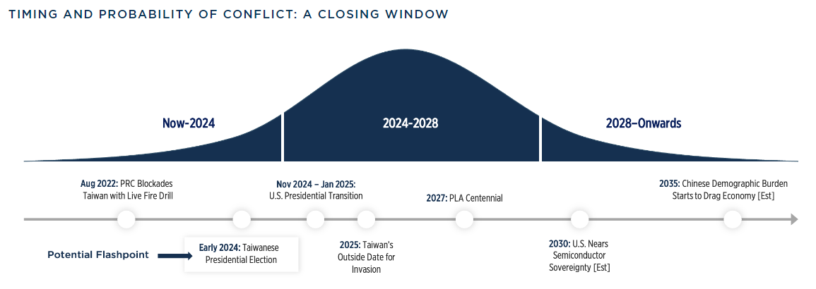
TSMC |  |  |  |  |  | 5/19/25
Expected IRR Under Invasion / No Invasion
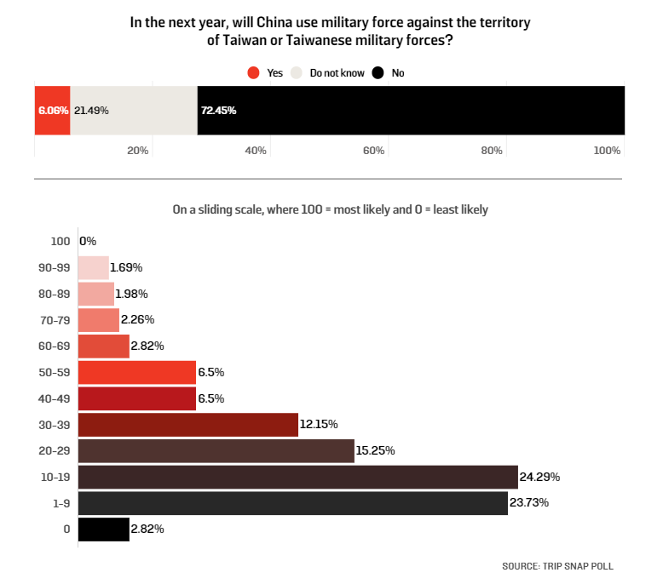
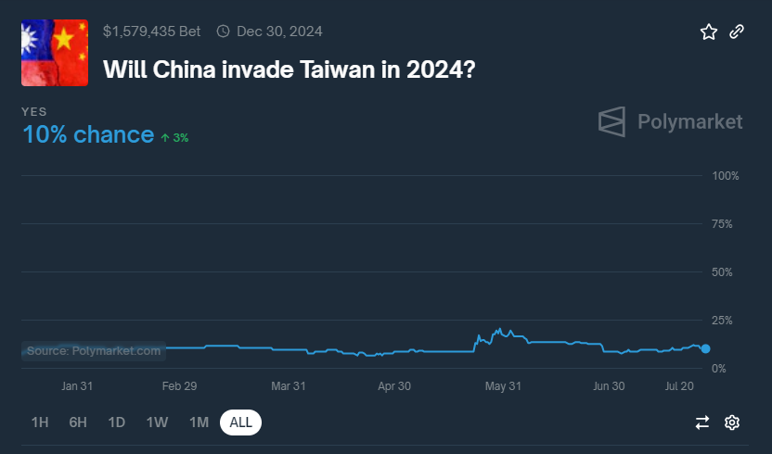

 | Compounded Probability of: |  | Compounded Return Under: |  | Expected | Expected
Year | No Invasion | Invasion | No Invasion | Invasion | Return | IRR
1 | 78% | 22% | 17% | (100%) | (9%) | (9%)
2 | 60% | 40% | 37% | (100%) | (17%) | (9%)
3 | 47% | 53% | 60% | (100%) | (25%) | (9%)
4 | 36% | 64% | 87% | (100%) | (32%) | (9%)
5 | 28% | 72% | 119% | (100%) | (38%) | (9%)
6 | 22% | 78% | 157% | (100%) | (44%) | (9%)
7 | 17% | 83% | 200% | (100%) | (49%) | (9%)
8 | 13% | 87% | 251% | (100%) | (54%) | (9%)
9 | 10% | 90% | 311% | (100%) | (58%) | (9%)
10 | 8% | 92% | 381% | (100%) | (62%) | (9%)

Note: Polymarket prices an 10% chance of a Chinese invasion of Taiwan in 2024, as of 7/26/24
Note: A William & Mary GRI poll shows experts believe there was a 23.75% change of a Chinese invasion of Taiwan
over the next year (Survey Oct 2022-Jan 2023)

Sensitivity Analysis - Expected 10-Year IRR
 |  | 1-Year Probability of Invasion
 | (9%) | 5% | 10% | 15% | 20% | 25%
Return Under No Invasion | 10% | 5% | (1%) | (6%) | (12%) | (17%)
 | 15% | 9% | 3% | (2%) | (8%) | (14%)
 | 20% | 14% | 8% | 2% | (4%) | (10%)
 | 25% | 19% | 13% | 6% | – | (6%)
 | 30% | 24% | 17% | 10% | 4% | (2%)

Invasion Adj. IRR Less IRR @ 20% |  | (6%) | (12%) | (18%) | (24%) | (30%)

Customer Concentration
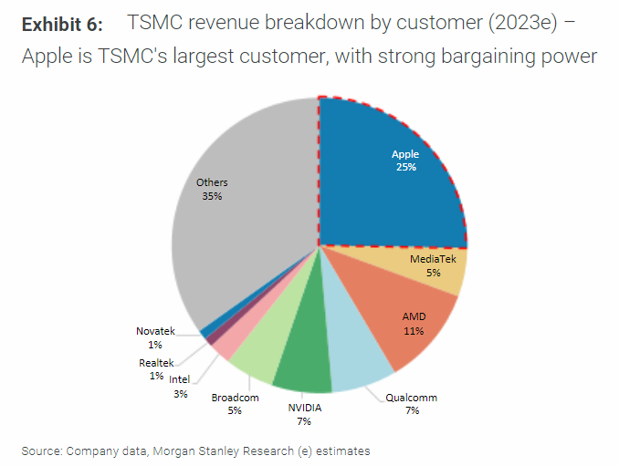
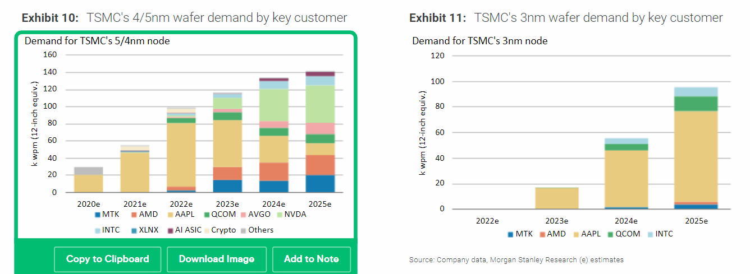
TSMC |  | WORK IN PROGRESS |  |  |  |  | 5/19/25
Customer Concentration Benchmarking
(TWD in billions)

 | FY19 | FY20 | FY21 | FY22 | FY23 | FY24e | FY25e | FY26e

Customer Mix

MS
Apple | 23% | 25% | 26% | 23% | 25%
MediaTek | 6% | 8% | 10% | 7% | 5%
AMD | 4% | 6% | 10% | 9% | 11%
Qualcomm | 7% | 5% | 8% | 9% | 7%
NVIDIA | 6% | 4% | 4% | 6% | 7%
Broadcom | 5% | 4% | 5% | 3% | 5%
Intel | 2% | 2% | 2% | 4% | 3%
Huawei | 14% | 12% | - | - | -
Others | 33% | 34% | 35% | 39% | 37%
Total | 100% | 100% | 100% | 100% | 100%

BofA
Apple | 23% | 26% | 26% | 22% | 25% | 25% | 25%
MediaTek | 5% | 7% | 9% | 8% | 7% | 8% | 9%
AMD | 7% | 9% | 9% | 9% | 11% | 10% | 10%
Qualcomm | 7% | 7% | 9% | 9% | 8% | 7% | 6%
NVIDIA | 9% | 8% | 8% | 6% | 9% | 14% | 15%
Broadcom | 4% | 4% | 4% | 4% | 5% | 6% | 6%
Intel | 1% | 1% | 1% | 2% | 2% | 3% | 6%
Huawei | 14% | 13% | - | - | - | - | -
Others | 30% | 25% | 35% | 40% | 34% | 29% | 23%
Total | 100% | 100% | 100% | 100% | 100% | 100% | 100%

Average
Apple | 23% | 25% | 26% | 23% | 25% | 25% | 25%
MediaTek | 6% | 7% | 10% | 8% | 6% | 8% | 9%
AMD | 5% | 7% | 10% | 9% | 11% | 10% | 10%
Qualcomm | 7% | 6% | 8% | 9% | 7% | 7% | 6%
NVIDIA | 8% | 6% | 6% | 6% | 8% | 14% | 15%
Broadcom | 5% | 4% | 4% | 3% | 5% | 6% | 6%
Intel | 1% | 1% | 1% | 3% | 2% | 3% | 6%
Huawei | 14% | 13% | - | - | - | - | -
Others | 31% | 30% | 35% | 39% | 36% | 29% | 23%
Total | 100% | 100% | 100% | 100% | 100% | 100% | 100%

TSMC Reported Net Revenue Concentration
Largest | 23% | 25% | 26% | 23% | 25%
Second Largest | 14% | 12% | 10% | <10% | 11%
Top 10 Largest | 71% | 74% | 71% | 68% | 70%
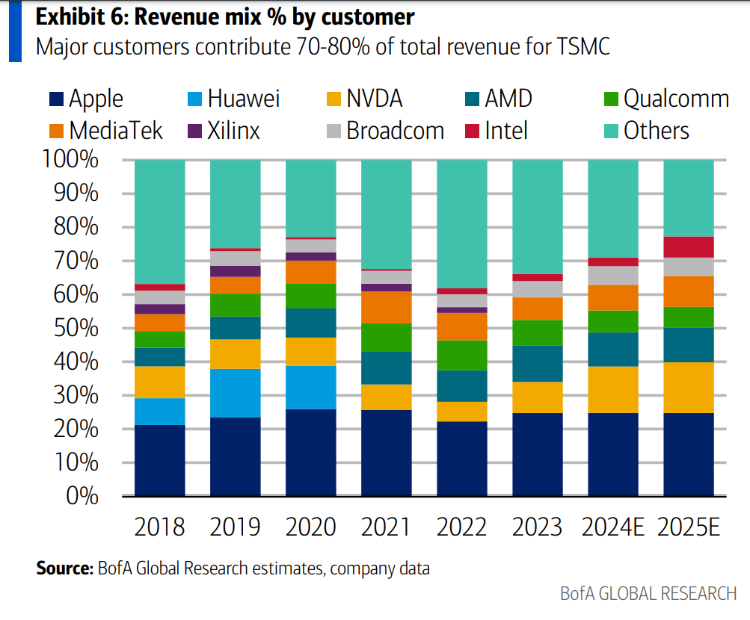
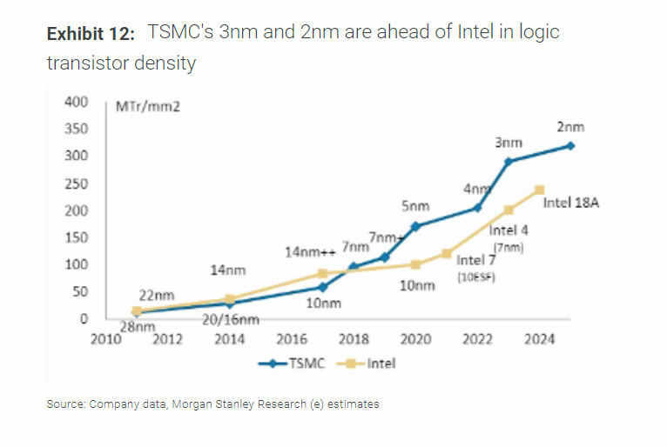
Revenue (Est.)
Apple | 247 | 339 | 409 | 510 | 536 | 710 | 871
MediaTek | 60 | 100 | 155 | 174 | 127 | 218 | 331
AMD | 56 | 98 | 155 | 207 | 234 | 289 | 360
Qualcomm | 72 | 83 | 132 | 200 | 157 | 189 | 221
NVIDIA | 81 | 83 | 93 | 136 | 178 | 407 | 540
Broadcom | 50 | 53 | 70 | 78 | 109 | 166 | 197
Intel | 15 | 18 | 21 | 64 | 52 | 76 | 221
Huawei | 152 | 168 | - | - | - | - | -
Others | 335 | 398 | 553 | 893 | 770 | 833 | 813
Total | 1,070 | 1,339 | 1,587 | 2,264 | 2,162 | 2,887 | 3,553

Y/Y % Growth
Apple |  | 37% | 20% | 25% | 5% | 33% | 23%
MediaTek |  | 66% | 55% | 12% | (27%) | 72% | 52%
AMD |  | 74% | 57% | 34% | 13% | 23% | 25%
Qualcomm |  | 14% | 60% | 51% | (22%) | 21% | 17%
NVIDIA |  | 2% | 12% | 47% | 31% | 128% | 33%
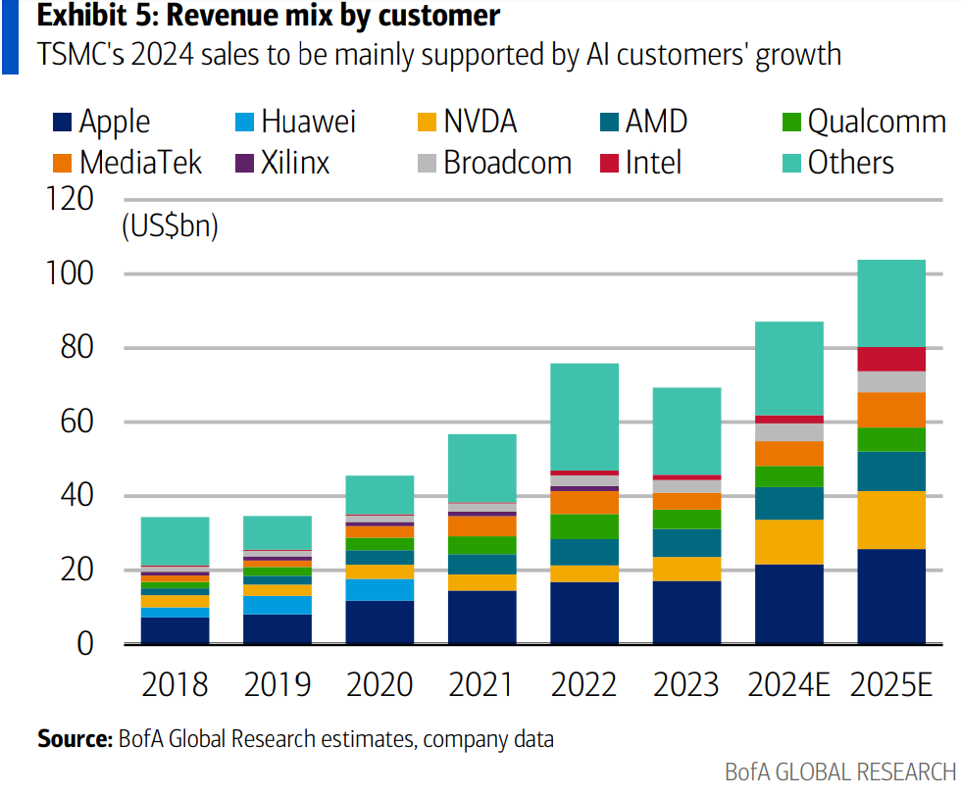
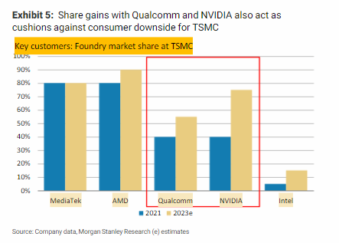
Broadcom |  | 5% | 31% | 13% | 39% | 52% | 19%
Intel |  | 18% | 19% | 203% | (19%) | 46% | 191%
Huawei |  | 11% | n/a | n/a | n/a | n/a | n/a
Others |  | 19% | 39% | 62% | (14%) | 8% | (2%)
Total |  | 25% | 19% | 43% | (5%) | 34% | 23%

Memo: Apple Breakdown (Est.)
iPhone |  |  |  |  |  | 56%
iPad |  |  |  |  |  | 14%
Mac |  |  |  |  |  | 11%
Wearables, Home, Acc. |  |  |  |  |  | 10%
AI Server |  |  |  |  |  | 9%
Total |  |  |  |  |  | 100%

Memo: Apple Breakdown
iPhone |  |  |  |  |  | 398
iPad |  |  |  |  |  | 99
Mac |  |  |  |  |  | 78
Wearables, Home, Acc. |  |  |  |  |  | 71
AI Server |  |  |  |  |  | 64
Total |  |  |  |  |  | 710

Memo: Apple Breakdown – TSMC Segments
Smartphone |  |  |  |  |  | 398
HPC |  |  |  |  |  | 241
Digital Consumer Electronics |  |  |  |  |  | 71
Total |  |  |  |  |  | 710

Memo: Apple Breakdown – TSMC Segments (% Mix)
Smartphone |  |  |  |  |  | 56%
HPC |  |  |  |  |  | 34%
Digital Consumer Electronics |  |  |  |  |  | 10%
Total |  |  |  |  |  | 100%

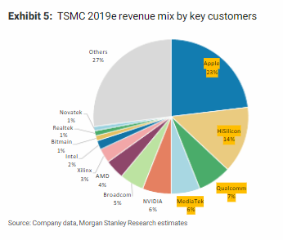
Revenue (USD, mm)
Apple | 8,004 | 11,521 | 14,634 | 17,124 | 17,182 | 22,091 | 26,671
MediaTek | 1,945 | 3,380 | 5,535 | 5,828 | 4,061 | 6,775 | 10,135
AMD | 1,825 | 3,335 | 5,535 | 6,960 | 7,503 | 8,984 | 11,024
Qualcomm | 2,345 | 2,810 | 4,735 | 6,711 | 5,038 | 5,891 | 6,757
NVIDIA | 2,625 | 2,806 | 3,320 | 4,578 | 5,719 | 12,666 | 16,536
Broadcom | 1,630 | 1,802 | 2,489 | 2,631 | 3,493 | 5,155 | 6,046
Intel | 488 | 603 | 754 | 2,140 | 1,665 | 2,356 | 6,757
Huawei | 4,916 | 5,703 | - | - | - | - | -
Others | 10,839 | 13,492 | 19,792 | 29,973 | 24,692 | 25,920 | 24,893
Total | 34,617 | 45,451 | 56,794 | 75,945 | 69,352 | 89,838 | 108,820
TWDUSD | 30.9x | 29.5x | 28.0x | 29.8x | 31.2x | 32.1x | 32.7x
Select Customer Mix | 47% | 49% | 54% | 50% | 56% | 61% | 62%

Top Customer Analysis
(USD in millions)

Apple
Products Revenue
Fiscal Year (Ends Sept) | 213,883 | 220,747 | 297,392 | 316,199 | 298,085 | 293,976 | 313,456 | 329,836
(-) FY 1Q | (73,435) | (79,104) | (95,678) | (104,429) | (96,388) | (96,458) | (102,153) | (109,104)
(+) FY+1 1Q | 79,104 | 95,678 | 104,429 | 96,388 | 96,458 | 102,153 | 109,104
Calendar Year | 219,552 | 237,321 | 306,143 | 308,158 | 298,155 | 299,670 | 320,407
Y/Y % Change |  | 8% | 29% | 1% | (3%) | 1% | 7%

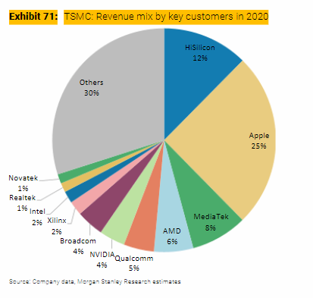
Products Cost of Sales
Fiscal Year (Ends Sept) | 144,996 | 151,286 | 192,266 | 201,471 | 189,282 | 184,785 | 197,868 | 209,052
(-) FY 1Q | (48,238) | (52,075) | (62,130) | (64,309) | (60,765) | (58,440) | (62,763) | (66,718)
(+) FY+1 1Q | 52,075 | 62,130 | 64,309 | 60,765 | 58,440 | 62,763 | 66,718
Calendar Year | 148,833 | 161,341 | 194,445 | 197,927 | 186,957 | 189,108 | 201,823
Products CoS as % of Revenue | 68% | 68% | 64% | 64% | 63% | 63% | 63%

TSMC Spend | 8,004 | 11,521 | 14,634 | 17,124 | 17,182 | 17,374 | 18,507
% of Products CoS | 5% | 7% | 8% | 9% | 9% | 9% | 9%
Incremental |  | 28% | 9% | 72% | n/m | 9% | 9%
% L2Y Products CoS |  | 6% | 7% | 8% | 9% | 9% | 9%
vs. BofA Estimate |  |  |  |  |  | (4,718) | (8,164)

NVIDIA
Revenue
Fiscal Year (Ends Jan) | 11,716 | 10,918 | 16,675 | 26,914 | 26,974 | 60,922 | 120,452 | 169,074
Calendar Year | 10,985 | 16,195 | 26,061 | 26,969 | 58,093 | 115,491 | 165,022
Y/Y % Change |  | 47% | 61% | 3% | 115% | 99% | 43%

Cost of Sales
Fiscal Year (Ends Jan) | 4,545 | 4,150 | 6,279 | 9,439 | 11,618 | 16,621 | 29,187 | 42,135
Calendar Year | 4,183 | 6,102 | 9,176 | 11,436 | 16,204 | 28,140 | 41,056
CoS as % of Revenue | 38% | 38% | 35% | 42% | 28% | 24% | 25%

TSMC Spend | 2,625 | 2,806 | 3,320 | 4,578 | 5,719 | 11,556 | 17,872
% of CoS | 63% | 46% | 36% | 40% | 35% | 41% | 44%
Incremental |  | n/m | 24% | 40% | 52% | 49% | 49%
% L2Y CoS |  | 62% | 59% | 50% | 49% | 61% | 64%
vs. BofA Estimate |  |  |  |  |  | (1,110) | 1,335
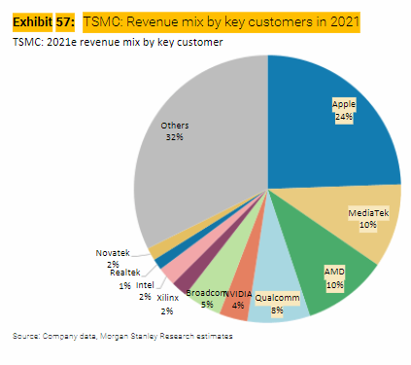
AMD
Revenue | 6,731 | 9,763 | 16,434 | 23,601 | 22,680 | 25,622 | 32,795
Y/Y % Change |  | 45% | 68% | 44% | (4%) | 13% | 28%

Cost of Sales | 3,863 | 5,416 | 8,505 | 11,550 | 11,278 | 12,719 | 15,300
CoS as % of Revenue | 57% | 55% | 52% | 49% | 50% | 50% | 47%

TSMC Spend | 1,825 | 3,335 | 5,535 | 6,960 | 7,503 | 8,416 | 10,051
% of CoS | 47% | 62% | 65% | 60% | 67% | 66% | 66%
Incremental |  | 97% | 71% | 47% | n/m | 63% | 63%
% L2Y Products CoS |  | 56% | 64% | 62% | 63% | 66% | 66%
vs. BofA Estimate |  |  |  |  |  | (568) | (973)

Qualcomm
QCT Non-GAAP Revenue
Fiscal Year (Ends Sept) | 14,639 | 16,493 | 27,019 | 37,677 | 30,382 | 32,922 | 35,729
(-) FY 1Q | (3,739) | (3,618) | (6,533) | (8,847) | (7,892) | (8,423) | (8,945) | (9,614)
(+) FY+1 1Q | 3,618 | 6,533 | 8,847 | 7,892 | 8,423 | 8,945 | 9,614
Calendar Year | 14,518 | 19,408 | 29,333 | 36,722 | 30,913 | 33,444 | 36,398
Y/Y % Change |  | 34% | 51% | 25% | (16%) | 8% | 9%

QCT Non-GAAP EBT
Fiscal Year (Ends Sept) | 2,143 | 2,763 | 7,763 | 12,837 | 7,924 | 9,414 | 10,254
(-) FY 1Q | (598) | (479) | (1,919) | (3,114) | (2,183) | (2,593) | (2,593) | (2,767)
(+) FY+1 1Q | 479 | 1,919 | 3,114 | 2,183 | 2,593 | 2,593 | 2,767
Calendar Year | 2,024 | 4,203 | 8,958 | 11,906 | 8,334 | 9,414 | 10,428
Y/Y % Change |  | 108% | 113% | 33% | (30%) | 13% | 11%

QCT Expenses | 12,494 | 15,205 | 20,375 | 24,816 | 22,579 | 24,030 | 25,971
Expenses as % of Revenue | 86% | 78% | 69% | 68% | 73% | 72% | 71%

TSMC Spend | 2,345 | 2,810 | 4,735 | 6,711 | 5,038 | 5,398 | 5,879
% of Expenses | 19% | 18% | 23% | 27% | 22% | 22% | 23%
Incremental |  | 17% | 37% | 45% | n/m | 25% | 25%
% L2Y QCT Expenses |  | 19% | 21% | 25% | 25% | 59% | 57%
vs. BofA Estimate |  |  |  |  |  | (493) | (878)

Broadcom
Semiconductor Solutions Net Revenue
Fiscal Year (Ends Oct) | 17,441 | 17,267 | 20,383 | 25,818 | 28,182 | 30,134 | 34,572
(-) FY 1Q | (4,386) | (4,191) | (4,908) | (5,873) | (7,107) | (7,390) | (8,277) | (9,383)
(+) FY+1 1Q | 4,191 | 4,908 | 5,873 | 7,107 | 7,390 | 8,277 | 9,383
Calendar Year | 17,246 | 17,984 | 21,348 | 27,052 | 28,465 | 31,021 | 35,677
Y/Y % Change |  | 4% | 19% | 27% | 5% | 9% | 15%

Semiconductor Solutions Opeating Income
Fiscal Year (Ends Oct) | 8,538 | 8,576 | 10,976 | 15,075 | 16,486 | 16,436 | 18,780
(-) FY 1Q | (2,032) | (2,043) | (2,561) | (3,349) | (4,123) | (4,116) | (4,736) | (5,471)
(+) FY+1 1Q | 2,043 | 2,561 | 3,349 | 4,123 | 4,116 | 4,736 | 5,471
Calendar Year | 8,549 | 9,094 | 11,764 | 15,849 | 16,479 | 17,056 | 19,515
Y/Y % Change |  | 6% | 29% | 35% | 4% | 4% | 14%

Semiconductor Solutions Expenses | 8,697 | 8,890 | 9,584 | 11,203 | 11,986 | 13,965 | 16,162
Expenses as % of Revenue | 50% | 49% | 45% | 41% | 42% | 45% | 45%

TSMC Spend | 1,630 | 1,802 | 2,489 | 2,631 | 3,493 | 4,016 | 4,596
% of Expenses | 19% | 20% | 26% | 23% | 29% | 29% | 28%
Incremental |  | 89% | 99% | 9% | 110% | 26% | 26%
% L2Y SS Expenses |  | 20% | 23% | 25% | 26% | 22% | 24%
vs. BofA Estimate |  |  |  |  |  | (1,139) | (1,450)

Totals by Customer (CRC)
Apple | 8,004 | 11,521 | 14,634 | 17,124 | 17,182 | 17,374 | 18,507
NVIDIA | 2,625 | 2,806 | 3,320 | 4,578 | 5,719 | 11,556 | 17,872
AMD | 1,825 | 3,335 | 5,535 | 6,960 | 7,503 | 8,416 | 10,051
Qualcomm | 2,345 | 2,810 | 4,735 | 6,711 | 5,038 | 5,398 | 5,879
Broadcom | 1,630 | 1,802 | 2,489 | 2,631 | 3,493 | 4,016 | 4,596
Other | 18,188 | 23,178 | 26,081 | 37,941 | 30,417 | 36,529 | 44,455
Total Revenue | 34,617 | 45,451 | 56,794 | 75,945 | 69,352 | 83,288 | 101,359
Y/Y % Growth |  | 31% | 25% | 34% | (9%) | 20% | 22%
Y/Y % Growth - Select Customer |  | 36% | 38% | 24% | 2% | 20% | 22%
Y/Y % Growth - Other |  | 27% | 13% | 45% | (20%) | 20% | 22%
Select Customer Mix | 47% | 49% | 54% | 50% | 56% | 56% | 56%
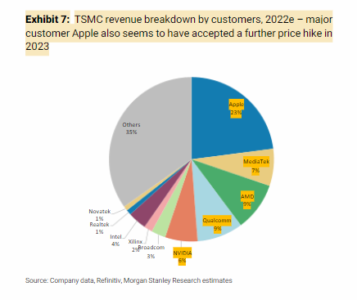
CRC Base Case |  |  |  |  |  | 89,838 | 108,820
vs. CRC Base Case |  |  |  |  |  | (6,550) | (7,460)

WC Reconciliation
Operating Income | 921,466 |  | 2021 | 2022 | 2023 |  |  |  |  | December 31, 2022 | December 31, 2023
Y/Y % Change | (18%) |  | NT$ | NT$ | NT$ | CRC | Difference |  |  | NT$ | NT$
Margin | 43%
Y/Y Incremental Margin | n/m | CASH FLOWS FROM OPERATING ACTIVITIES |  |  |  |  |  |  | CURRENT LIABILITIES
Memo: R&D as % of Net Rev | 8% | Income before income tax | 663,036 | 1,144,072 | 979,317 |  |  |  | Financial liabilities at fair value through profit or loss | 116 | 121
Memo: SG&A as % of Net Rev | 3% | Depreciation expense | 414,188 | 428,498 | 522,933 |  |  |  | Hedging financial liabilities | 1 | 27,334
 |  | Amortization expense | 8,207 | 8,756 | 9,258 |  |  |  | Accounts payable | 54,880 | 55,727
Share of Profits of Associates and Joint Venture | 4,655 | Expected credit losses recognized (reversal) on investments in debt instruments | (3) | 52 | 36 |  |  |  | Payables to related parties | 1,643 | 1,566
Net Interest | 48,294 | Finance costs | 5,414 | 11,750 | 11,999 |  |  |  | Salary and bonus payable | 36,436 | 33,201
Other | 4,756 | Share of profits of associates | (5,513) | (7,680) | (4,800) |  |  |  | Accrued profit sharing bonus to employees and compensation to directors | 61,749 | 50,717
Income Before Income Tax | 979,171 | Interest income | (5,709) | (22,422) | (60,294) |  |  |  | Payables to contractors and equipment suppliers | 213,500 | 171,485 | (42,015)
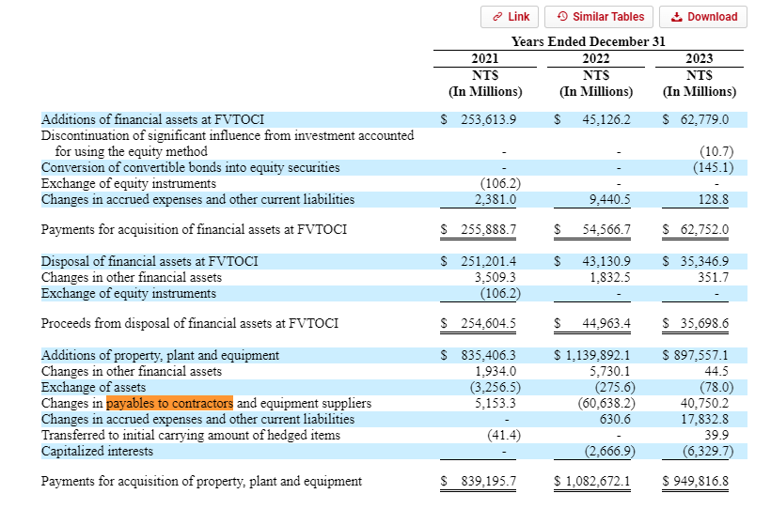
Taxation | 146,876 | Share-based compensation | 8 | 302 | 483 |  |  |  | Cash dividends payable | 142,617 | 168,559
CRC Income Before NCI | 832,295 | Loss (gain) on disposal or retirement of property, plant and equipment, net | 274 | (99) | 369 |  |  |  | Income tax payable | 163,139 | 128,135
NCI | (730) | Loss (gain) on disposal or retirement of intangible assets, net | 1 | 6 | (3) |  |  |  | Long-term liabilities - current portion | 19,314 | 9,293
CRC NI | 833,025 | Impairment loss on property, plant and equipment | 274 | 791 | – |  |  |  | Accrued expenses and other current liabilities | 293,171 | 296,668
WA Shares O/S - Diluted | 25,929 | Gain on financial instruments at fair value through profit or loss, net | – | – | (12) |  |  |  | Total current liabilities | 986,564 | 942,805
CRC EPS | 32.13 | Loss (gain) on disposal of investments in debt instruments at fair value through other comprehensive income, net | (93) | 410 | 474
Y/Y % Change | (14%) | Gain on disposal of investments accounted for using equity method, net | – | – | (16) |  |  |  | Financial liabilities at fair value through profit or loss
Memo: Taxation rate | 15% | Loss (gain) on foreign exchange, net | (16,116) | 10,343 | (247) |  |  |  | Hedging financial liabilities
 |  | Dividend income | (362) | (267) | (464) |  |  |  | Accounts payable
FCF |  | Others | (414) | 139 | (338) |  |  |  | Payables to related parties
EBIT | 921,466 | Financial instruments at fair value through profit or loss | 2,649 | (1,354) | 290 |  |  |  | Salary and bonus payable | 36,436 | 33,201
D&A | 532,191 | Notes and accounts receivable, net | (52,106) | (32,170) | 28,442 |  |  |  | Accrued profit sharing bonus to employees and compensation to directors | 61,749 | 50,717
CRC EBITDA | 1,453,657 | Receivables from related parties | (157) | (869) | 960 |  |  |  | Payables to contractors and equipment suppliers
CapEx | 949,817 | Other receivables from related parties | (11) | (8) | (3) |  |  |  | Cash dividends payable
CRC EBITDA - CapEx | 503,840 | Inventories | (55,749) | (28,047) | (29,848) |  |  |  | Income tax payable | 163,139 | 128,135
Y/Y % Change | 6% | Other financial assets | (8,237) | (1,681) | 1,879 |  |  |  | Long-term liabilities - current portion
Margin | 23% | Other current assets | (3,899) | (4,451) | (12,531) |  |  |  | Accrued expenses and other current liabilities | 293,171 | 296,668
Memo: D&A as % of Net Revenue | 25% | Other noncurrent assets | – | – | (720) |  |  |  | Total current liabilities
Memo: CapEx as % of Net Revenue | 44% | Accounts payable | 8,298 | 7,594 | 847 |  |  |  |  | 554,494 | 508,720
 |  | Payables to related parties | (671) | 205 | (76) |  |  |  |  |  | (45,774)
Net Interest | 48,294 | Salary and bonus payable | 3,731 | 12,633 | (3,235)
Taxation | (146,876) | Accrued profit sharing bonus to employees and compensation to directors | 844 | 25,224 | (11,032)
Recurring FCF | 405,258 | Accrued expenses and other current liabilities | 84,323 | 46,579 | (44,467)
Y/Y % Change | 29% | Other noncurrent liabilities | 154,086 | 101,391 | 13,330
 |  | Net defined benefit liability | (635) | (2,539) | (687)
SBC | 483 | Income taxes paid | (83,498) | (86,561) | (159,875)
Change in WC (CRC) | (19,526) | CapEx |  |  | (949,817)
Other | (45,771) |  |  |  | 292,150
Realized FCF | 340,444 |  |  |  | 340,445

 |  | Income before income tax |  |  | 979,317 | 979,171 | 146
 |  | Share of Profits of Associates and Joint Venture |  |  | (4,800) | (4,655) | (145)
 |  | Net Interest |  |  | (48,295) | (48,294) | (1)
 |  | Other |  |  | (201) | (4,756) | 4,555
 |  | EBIT |  |  | 926,021 | 921,466
 |  | D&A |  |  | 532,191 | 532,191 | (0)
 |  | Capex |  |  | (949,817) | (949,817) | –
 |  | EBITDA - Capex |  |  | 508,394 | 503,840
 |  | Net Interest |  |  | 48,295 | 48,294 | 1
 |  | Taxation |  |  | (159,875) | (146,876) | (12,999)
 |  | Recurring FCF |  |  | 396,814 | 405,258

 |  | AR |  |  | 29,399 | 29,402 | (3)
 |  | Inventory |  |  | (29,848) | (29,848) | –
 |  | Current Assets |  |  | (12,531) | (14,531) | 2,000
 |  | AP |  |  | 771 | 771 | (0)
 |  | Accrued Expenses |  |  | (44,467) | (5,320) | (39,147) | >>>
 |  | Other |  |  | (176) | – | (176)
 |  | Change in WC |  |  | (56,852) | (19,526)

 |  | SBC |  |  | 483 | 483 | (0)
 |  | Other |  |  | – | (45,771) | 45,771
 |  | Realized FCF |  |  | 340,445 | 340,444 | 1

